Q 1
What are the key factors influencing customer retention or loyalty based on the dataset?

No. of Order by customers
 |  |  |  | customerID | country | shipvia | order_count
 | ContactName | order_count |  | QUICK | Germany | 1 | 11
 | Jose Pavarotti | 31 |  | SAVEA | USA | 1 | 11
 | Roland Mendel | 30 |  | SAVEA | USA | 3 | 11
 | Horst Kloss | 28 |  | ERNSH | Austria | 1 | 10
 | Patricia McKenna | 19 |  | ERNSH | Austria | 3 | 10
 | Maria Larsson | 19 |  | ERNSH | Austria | 2 | 10
 | Christina Berglund | 18 |  | BERGS | Sweden | 2 | 9
 | Carlos Hernández | 18 |  | FOLKO | Sweden | 1 | 9
 | Paula Wilson | 18 |  | HUNGO | Ireland | 2 | 9
 | Laurence Lebihan | 17 |  | QUICK | Germany | 2 | 9
 | Pirkko Koskitalo | 15 |  | SAVEA | USA | 2 | 9
 | Renate Messner | 15 |  | AROUT | UK | 2 | 8
 | Peter Franken | 15 |  | BOTTM | Canada | 3 | 8
 | Carlos González | 14 |  | HILAA | Venezuela | 2 | 8
 | Karl Jablonski | 14 |  | LEHMS | Germany | 2 | 8
 | Elizabeth Lincoln | 14 |  | QUICK | Germany | 3 | 8
 | Annette Roulet | 14 |  | RATTC | USA | 3 | 8
 | Philip Cramer | 14 |  | BONAP | France | 2 | 7
 | Mario Pontes | 14 |  | BSBEV | UK | 3 | 7
 | Thomas Hardy | 13 |  | FRANK | Germany | 2 | 7
 | Jean Fresnière | 13 |  | GREAL | USA | 2 | 7
 | Lúcia Carvalho | 13 |  | HILAA | Venezuela | 1 | 7
 | Felipe Izquierdo | 12 |  | MEREP | Canada | 2 | 7
 | Pascale Cartrain | 12 |  | QUEEN | Brazil | 1 | 7
 | Maurizio Moroni | 12 |  | RATTC | USA | 2 | 7
 | Janete Limeira | 11 |  | REGGC | Italy | 1 | 7
 | Howard Snyder | 11 |  | WANDK | Germany | 2 | 7
 | Palle Ibsen | 11 |  | BONAP | France | 1 | 6
 | Frédérique Citeaux | 11 |  | FOLKO | Sweden | 2 | 6
 | Michael Holz | 10 |  | FURIB | Portugal | 3 | 6
 | José Pedro Freyre | 10 | Assumption | HANAR | Brazil | 1 | 6
 | Miguel Angel Paolino | 10 | Customer who placed more than 10 orders are considered as loyal customers | HUNGO | Ireland | 3 | 6
 | Helen Bennett | 10 |  | ISLAT | UK | 2 | 6
 | Mary Saveley | 10 | Conclusion | KOENE | Germany | 2 | 6
 | Victoria Ashworth | 10 | Upon analysing multiple factors like suppliers, customer's country, ship via it was observed that there was no pattern found that relates to customers loyalty. Hence, it can be concluded that customer loyalty can not be asssociated with any of the given parameters | LAMAI | France | 1 | 6
 | Georg Pipps | 10 |  | LEHMS | Germany | 1 | 6
 | Henriette Pfalzheim | 10 |  | QUEEN | Brazil | 2 | 6
 | Rita Müller | 10 |  | RICAR | Brazil | 2 | 6
 | Rene Phillips | 10 |  | SPLIR | USA | 2 | 6
 | Giovanni Rovelli | 10 |  | SUPRD | Belgium | 3 | 6
 | André Fonseca | 9 |  | WARTH | Finland | 3 | 6
 | Hari Kumar | 9 |  | BERGS | Sweden | 1 | 5
 | Art Braunschweiger | 9 |  | BLONP | France | 1 | 5
 | Bernardo Batista | 9 |  | FAMIA | Brazil | 3 | 5
 | Paula Parente | 9 |  | FRANK | Germany | 1 | 5
 | Lino Rodriguez | 8 |  | FRANS | Italy | 1 | 5
 | Ann Devon | 8 |  | HANAR | Brazil | 2 | 5
 | Yang Wang | 8 |  | KOENE | Germany | 3 | 5
 | Fran Wilson | 8 |  | LILAS | Venezuela | 3 | 5
 | Catherine Dewey | 7 |  | LILAS | Venezuela | 1 | 5
 | Zbyszek Piestrzeniewicz | 7 |  | LINOD | Venezuela | 1 | 5
 | Matti Karttunen | 7 |  | MEREP | Canada | 3 | 5
 | Antonio Moreno | 7 |  | OLDWO | USA | 3 | 5
 | Hanna Moos | 7 |  | OTTIK | Germany | 2 | 5
 | Jytte Petersen | 7 |  | PICCO | Austria | 2 | 5
 | Aria Cruz | 7 |  | QUEDE | Brazil | 1 | 5
 | Guillermo Fernández | 6 |  | RICSU | Switzerland | 2 | 5
 | Sven Ottlieb | 6 |  | SUPRD | Belgium | 2 | 5
 | Paolo Accorti | 6 |  | TORTU | Mexico | 3 | 5
 | Jonas Bergulfsen | 6 |  | TORTU | Mexico | 2 | 5
 | Patricio Simpson | 6 |  | VICTE | France | 2 | 5
 | Maria Anders | 6 |  | WARTH | Finland | 2 | 5
 | Anabela Domingues | 6 |  | WHITC | USA | 2 | 5
 | Karin Josephs | 6 |  | WHITC | USA | 3 | 5
 | Isabel de Castro | 5 |  | ALFKI | Germany | 1 | 4
 | Alexander Feuer | 5 |  | AROUT | UK | 3 | 4
 | Yoshi Latimer | 5 |  | BERGS | Sweden | 3 | 4
 | Yvonne Moncada | 5 |  | BONAP | France | 3 | 4
 | Sergio Gutiérrez | 5 |  | EASTC | UK | 1 | 4
 | Eduardo Saavedra | 5 |  | FOLKO | Sweden | 3 | 4
 | Paul Henriot | 5 |  | GODOS | Spain | 2 | 4
 | Martine Rancé | 5 |  | GOURL | Brazil | 2 | 4
 | Alejandra Camino | 5 |  | HUNGO | Ireland | 1 | 4
 | Pedro Afonso | 5 |  | LAMAI | France | 2 | 4
 | Janine Labrune | 4 |  | LAMAI | France | 3 | 4
 | Liz Nixon | 4 |  | LETSS | USA | 2 | 4
 | Dominique Perrier | 4 |  | LILAS | Venezuela | 2 | 4
 | Jaime Yorres | 4 |  | LINOD | Venezuela | 2 | 4
 | Ana Trujillo | 4 |  | LONEP | USA | 2 | 4
 | Daniel Tonini | 4 |  | MAGAA | Italy | 2 | 4
 | Liu Wong | 3 |  | MAGAA | Italy | 3 | 4
 | Elizabeth Brown | 3 |  | QUEDE | Brazil | 2 | 4
 | Helvetius Nagy | 3 |  | REGGC | Italy | 2 | 4
 | Carine Schmitt | 3 |  | RICSU | Switzerland | 3 | 4
 | Martín Sommer | 3 |  | SANTG | Norway | 2 | 4
 | Simon Crowther | 3 |  | TOMSP | Germany | 2 | 4
 | Yoshi Tannamuri | 3 |  | VAFFE | Denmark | 3 | 4
 | John Steel | 2 |  | VAFFE | Denmark | 1 | 4
 | Manuel Pereira | 2 |  | WARTH | Finland | 1 | 4
 | Francisco Chang | 1 |  | WELLI | Brazil | 2 | 4
 |  |  |  | WELLI | Brazil | 1 | 4
 |  |  |  | WHITC | USA | 1 | 4
 |  |  |  | WILMK | Finland | 1 | 4
 |  |  |  | WOLZA | Poland | 3 | 4
 |  |  |  | ANATR | Mexico | 3 | 3
 |  |  |  | ANTON | Mexico | 2 | 3
 |  |  |  | BLAUS | Germany | 3 | 3
 |  |  |  | BLAUS | Germany | 2 | 3
 |  |  |  | BLONP | France | 2 | 3
 |  |  |  | BLONP | France | 3 | 3
 |  |  |  | BOTTM | Canada | 2 | 3
 |  |  |  | BOTTM | Canada | 1 | 3
 |  |  |  | BSBEV | UK | 2 | 3
 |  |  |  | CACTU | Argentina | 3 | 3
 |  |  |  | CHOPS | Switzerland | 2 | 3
 |  |  |  | CHOPS | Switzerland | 1 | 3
 |  |  |  | COMMI | Brazil | 1 | 3
 |  |  |  | DRACD | Germany | 3 | 3
 |  |  |  | EASTC | UK | 3 | 3
 |  |  |  | FRANK | Germany | 3 | 3
 |  |  |  | GODOS | Spain | 3 | 3
 |  |  |  | GODOS | Spain | 1 | 3
 |  |  |  | GOURL | Brazil | 3 | 3
 |  |  |  | GREAL | USA | 3 | 3
 |  |  |  | HANAR | Brazil | 3 | 3
 |  |  |  | HILAA | Venezuela | 3 | 3
 |  |  |  | HUNGC | USA | 1 | 3
 |  |  |  | KOENE | Germany | 1 | 3
 |  |  |  | LAUGB | Canada | 3 | 3
 |  |  |  | LINOD | Venezuela | 3 | 3
 |  |  |  | LONEP | USA | 1 | 3
 |  |  |  | MAISD | Belgium | 2 | 3
 |  |  |  | NORTS | UK | 3 | 3
 |  |  |  | OCEAN | Argentina | 2 | 3
 |  |  |  | OLDWO | USA | 1 | 3
 |  |  |  | OTTIK | Germany | 1 | 3
 |  |  |  | PERIC | Mexico | 3 | 3
 |  |  |  | PICCO | Austria | 3 | 3
 |  |  |  | PRINI | Portugal | 2 | 3
 |  |  |  | RANCH | Argentina | 2 | 3
 |  |  |  | RATTC | USA | 1 | 3
 |  |  |  | RICAR | Brazil | 1 | 3
 |  |  |  | ROMEY | Spain | 1 | 3
 |  |  |  | SEVES | UK | 3 | 3
 |  |  |  | SEVES | UK | 1 | 3
 |  |  |  | SEVES | UK | 2 | 3
 |  |  |  | SIMOB | Denmark | 3 | 3
 |  |  |  | TRADH | Brazil | 2 | 3
 |  |  |  | TRADH | Brazil | 3 | 3
 |  |  |  | VAFFE | Denmark | 2 | 3
 |  |  |  | VICTE | France | 3 | 3
 |  |  |  | WANDK | Germany | 1 | 3
 |  |  |  | WILMK | Finland | 3 | 3
 |  |  |  | ANTON | Mexico | 1 | 2
 |  |  |  | ANTON | Mexico | 3 | 2
 |  |  |  | BOLID | Spain | 2 | 2
 |  |  |  | CACTU | Argentina | 1 | 2
 |  |  |  | CHOPS | Switzerland | 3 | 2
 |  |  |  | COMMI | Brazil | 2 | 2
 |  |  |  | CONSH | UK | 2 | 2
 |  |  |  | DRACD | Germany | 2 | 2
 |  |  |  | DUMON | France | 1 | 2
 |  |  |  | FOLIG | France | 2 | 2
 |  |  |  | FOLIG | France | 3 | 2
 |  |  |  | GALED | Spain | 1 | 2
 |  |  |  | GALED | Spain | 3 | 2
 |  |  |  | GOURL | Brazil | 1 | 2
 |  |  |  | GROSR | Venezuela | 3 | 2
 |  |  |  | ISLAT | UK | 3 | 2
 |  |  |  | ISLAT | UK | 1 | 2
 |  |  |  | LACOR | France | 1 | 2
 |  |  |  | LACOR | France | 2 | 2
 |  |  |  | MAGAA | Italy | 1 | 2
 |  |  |  | MAISD | Belgium | 3 | 2
 |  |  |  | MAISD | Belgium | 1 | 2
 |  |  |  | MORGK | Germany | 3 | 2
 |  |  |  | MORGK | Germany | 1 | 2
 |  |  |  | OCEAN | Argentina | 1 | 2
 |  |  |  | OLDWO | USA | 2 | 2
 |  |  |  | OTTIK | Germany | 3 | 2
 |  |  |  | PERIC | Mexico | 2 | 2
 |  |  |  | PICCO | Austria | 1 | 2
 |  |  |  | RICAR | Brazil | 3 | 2
 |  |  |  | SIMOB | Denmark | 1 | 2
 |  |  |  | SIMOB | Denmark | 2 | 2
 |  |  |  | SPECD | France | 2 | 2
 |  |  |  | SPLIR | USA | 1 | 2
 |  |  |  | THEBI | USA | 2 | 2
 |  |  |  | THEBI | USA | 3 | 2
 |  |  |  | TOMSP | Germany | 1 | 2
 |  |  |  | TRAIH | USA | 2 | 2
 |  |  |  | VICTE | France | 1 | 2
 |  |  |  | VINET | France | 3 | 2
 |  |  |  | VINET | France | 2 | 2
 |  |  |  | WOLZA | Poland | 2 | 2
 |  |  |  | ALFKI | Germany | 2 | 1
 |  |  |  | ALFKI | Germany | 3 | 1
 |  |  |  | ANATR | Mexico | 1 | 1
 |  |  |  | AROUT | UK | 1 | 1
 |  |  |  | BLAUS | Germany | 1 | 1
 |  |  |  | BOLID | Spain | 1 | 1
 |  |  |  | CACTU | Argentina | 2 | 1
 |  |  |  | CENTC | Mexico | 3 | 1
 |  |  |  | CONSH | UK | 1 | 1
 |  |  |  | DRACD | Germany | 1 | 1
 |  |  |  | DUMON | France | 3 | 1
 |  |  |  | DUMON | France | 2 | 1
 |  |  |  | EASTC | UK | 2 | 1
 |  |  |  | FAMIA | Brazil | 2 | 1
 |  |  |  | FAMIA | Brazil | 1 | 1
 |  |  |  | FOLIG | France | 1 | 1
 |  |  |  | FRANR | France | 1 | 1
 |  |  |  | FRANR | France | 3 | 1
 |  |  |  | FRANR | France | 2 | 1
 |  |  |  | FRANS | Italy | 2 | 1
 |  |  |  | FURIB | Portugal | 2 | 1
 |  |  |  | FURIB | Portugal | 1 | 1
 |  |  |  | GALED | Spain | 2 | 1
 |  |  |  | GREAL | USA | 1 | 1
 |  |  |  | HUNGC | USA | 2 | 1
 |  |  |  | HUNGC | USA | 3 | 1
 |  |  |  | LAZYK | USA | 3 | 1
 |  |  |  | LAZYK | USA | 2 | 1
 |  |  |  | LEHMS | Germany | 3 | 1
 |  |  |  | LONEP | USA | 3 | 1
 |  |  |  | MEREP | Canada | 1 | 1
 |  |  |  | MORGK | Germany | 2 | 1
 |  |  |  | PERIC | Mexico | 1 | 1
 |  |  |  | PRINI | Portugal | 1 | 1
 |  |  |  | PRINI | Portugal | 3 | 1
 |  |  |  | RANCH | Argentina | 1 | 1
 |  |  |  | RANCH | Argentina | 3 | 1
 |  |  |  | REGGC | Italy | 3 | 1
 |  |  |  | RICSU | Switzerland | 1 | 1
 |  |  |  | ROMEY | Spain | 3 | 1
 |  |  |  | ROMEY | Spain | 2 | 1
 |  |  |  | SANTG | Norway | 1 | 1
 |  |  |  | SANTG | Norway | 3 | 1
 |  |  |  | SPECD | France | 1 | 1
 |  |  |  | SPECD | France | 3 | 1
 |  |  |  | SPLIR | USA | 3 | 1
 |  |  |  | SUPRD | Belgium | 1 | 1
 |  |  |  | THECR | USA | 2 | 1
 |  |  |  | THECR | USA | 1 | 1
 |  |  |  | THECR | USA | 3 | 1
 |  |  |  | TRAIH | USA | 3 | 1
 |  |  |  | VINET | France | 1 | 1
 |  |  |  | WELLI | Brazil | 3 | 1
 |  |  |  | WOLZA | Poland | 1 | 1

Q 2
How do customer preferences vary based on their location or demographics? Can we explore this through interactive visualizations?

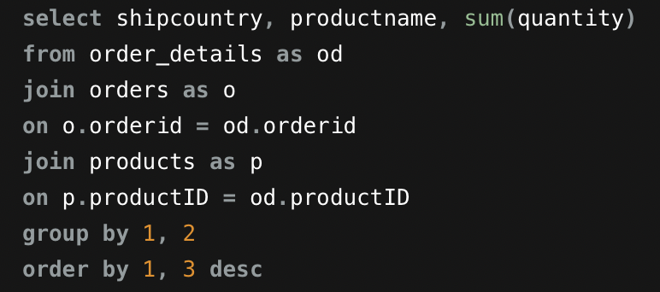
shipcountry | productname | sum(quantity) | shipcountry | Canada
Argentina | Queso Cabrales | 30
Argentina | Boston Crab Meat | 20 | Product name | quantity
Argentina | Rhönbräu Klosterbier | 20 | Camembert Pierrot | 145
Argentina | Sir Rodney's Marmalade | 20 | Tarte au sucre | 132
Argentina | Ravioli Angelo | 20 | Alice Mutton | 126
Argentina | Sasquatch Ale | 20 | Gnocchi di nonna Alice | 98
Argentina | Chef Anton's Gumbo Mix | 20 | Scottish Longbreads | 87
Argentina | Laughing Lumberjack Lager | 20 | Grandma's Boysenberry Spread | 82
Argentina | Sir Rodney's Scones | 17 | Chai | 80
Argentina | Original Frankfurter grüne Soße | 15 | Original Frankfurter grüne Soße | 65
Argentina | Tofu | 12 | NuNuCa Nuß-Nougat-Creme | 65
Total Quantities sold by each Products
Argentina | Jack's New England Clam Chowder | 10 | Geitost | 64
Argentina | Sirop d'érable | 10 | Ikura | 62
Argentina | Röd Kaviar | 10 | Guaraná Fantástica | 60
Argentina | Lakkalikööri | 10 | Steeleye Stout | 60
Argentina | Geitost | 10 | Gula Malacca | 58
Argentina | Rössle Sauerkraut | 8 | Boston Crab Meat | 50
Argentina | Manjimup Dried Apples | 7 | Côte de Blaye | 49
Argentina | Ipoh Coffee | 7 | Zaanse koeken | 46
Argentina | Gumbär Gummibärchen | 6 | Pavlova | 46
Argentina | Scottish Longbreads | 6 | Jack's New England Clam Chowder | 45
Argentina | Pavlova | 6 | Raclette Courdavault | 45
Argentina | Mascarpone Fabioli | 6 | Sir Rodney's Scones | 42
Argentina | Uncle Bob's Organic Dried Pears | 6 | Gorgonzola Telino | 42
Argentina | Konbu | 5 | Gustaf's Knäckebröd | 40
Argentina | Mozzarella di Giovanni | 5 | Carnarvon Tigers | 40
Argentina | Steeleye Stout | 3 | Mozzarella di Giovanni | 35
Argentina | Spegesild | 3 | Outback Lager | 35
Argentina | Raclette Courdavault | 2 | Singaporean Hokkien Fried Mee | 30
Argentina | Côte de Blaye | 2 | Longlife Tofu | 30
Argentina | Maxilaku | 2 | Manjimup Dried Apples | 24
Argentina | Gorgonzola Telino | 1 | Wimmers gute Semmelknödel | 24
Austria | Guaraná Fantástica | 283 | Uncle Bob's Organic Dried Pears | 20
Austria | Wimmers gute Semmelknödel | 224 | Queso Cabrales | 20
Austria | Sirop d'érable | 206 | Aniseed Syrup | 20
Austria | Alice Mutton | 191 | Northwoods Cranberry Sauce | 16
Austria | Gudbrandsdalsost | 190 | Queso Manchego La Pastora | 15
Austria | Raclette Courdavault | 180 | Fløtemysost | 15
Austria | Gorgonzola Telino | 178 | Pâté chinois | 15
Austria | Chartreuse verte | 175 | Rhönbräu Klosterbier | 10 | The above graph represents customer product preferences based on their locations
Austria | Pavlova | 164 | Chef Anton's Cajun Seasoning | 10
Austria | Camembert Pierrot | 160 | Tunnbröd | 10
Austria | Sasquatch Ale | 150 | Ipoh Coffee | 9
Austria | Louisiana Fiery Hot Pepper Sauce | 126 | Konbu | 7
Austria | Sir Rodney's Scones | 120 | Sirop d'érable | 5
Austria | Manjimup Dried Apples | 120 | Filo Mix | 5
Austria | Rössle Sauerkraut | 118 | Grand Total | 1984
Austria | Vegie-spread | 109
Austria | Gnocchi di nonna Alice | 100
Austria | Ikura | 100
Austria | Chef Anton's Gumbo Mix | 97
Austria | Boston Crab Meat | 91
Austria | Jack's New England Clam Chowder | 88
Austria | Gustaf's Knäckebröd | 87
Austria | Longlife Tofu | 86
Austria | Queso Manchego La Pastora | 86
Austria | Tourtière | 80
Austria | Tarte au sucre | 80
Austria | Konbu | 78
Austria | Gula Malacca | 77
Austria | Steeleye Stout | 76
Austria | Queso Cabrales | 72
Austria | Côte de Blaye | 70
Austria | Chocolade | 70
Austria | Ravioli Angelo | 69
Austria | Pâté chinois | 65
Austria | Nord-Ost Matjeshering | 60
Austria | Geitost | 60
Austria | Tunnbröd | 60
Austria | Louisiana Hot Spiced Okra | 60
Austria | Chang | 58
Austria | Rhönbräu Klosterbier | 57
Austria | Fløtemysost | 51
Austria | Lakkalikööri | 50
Austria | Gumbär Gummibärchen | 50
Austria | Tofu | 46
Austria | Spegesild | 45
Austria | Aniseed Syrup | 45
Austria | Carnarvon Tigers | 44
Austria | Singaporean Hokkien Fried Mee | 40
Austria | Sir Rodney's Marmalade | 39
Austria | Outback Lager | 38
Austria | Schoggi Schokolade | 30
Austria | Røgede sild | 27
Austria | Mascarpone Fabioli | 26
Austria | Thüringer Rostbratwurst | 26
Austria | Ipoh Coffee | 25
Austria | Mozzarella di Giovanni | 24
Austria | Valkoinen suklaa | 22
Austria | Uncle Bob's Organic Dried Pears | 18
Belgium | Raclette Courdavault | 90
Belgium | Singaporean Hokkien Fried Mee | 82
Belgium | Fløtemysost | 80
Belgium | Rössle Sauerkraut | 78
Belgium | Sir Rodney's Scones | 76
Belgium | Schoggi Schokolade | 65
Belgium | Ipoh Coffee | 62
Belgium | Gnocchi di nonna Alice | 61
Belgium | Louisiana Hot Spiced Okra | 60
Belgium | Outback Lager | 60
Belgium | Steeleye Stout | 60
Belgium | Lakkalikööri | 48
Belgium | Sir Rodney's Marmalade | 40
Belgium | Camembert Pierrot | 40
Belgium | Alice Mutton | 40
Belgium | Original Frankfurter grüne Soße | 40
Belgium | Pâté chinois | 39
Belgium | Gumbär Gummibärchen | 36
Belgium | Gorgonzola Telino | 35
Belgium | Escargots de Bourgogne | 30
Belgium | Geitost | 25
Belgium | Teatime Chocolate Biscuits | 21
Belgium | Chef Anton's Cajun Seasoning | 21
Belgium | Scottish Longbreads | 20
Belgium | Longlife Tofu | 20
Belgium | Chang | 20
Belgium | Northwoods Cranberry Sauce | 20
Belgium | Ikura | 16
Belgium | Mozzarella di Giovanni | 15
Belgium | Røgede sild | 15
Belgium | Boston Crab Meat | 15
Belgium | NuNuCa Nuß-Nougat-Creme | 12
Belgium | Guaraná Fantástica | 12
Belgium | Gudbrandsdalsost | 10
Belgium | Chai | 10
Belgium | Tourtière | 10
Belgium | Gula Malacca | 6
Belgium | Filo Mix | 2
Brazil | Camembert Pierrot | 212
Brazil | Teatime Chocolate Biscuits | 171
Brazil | Original Frankfurter grüne Soße | 150
Brazil | Guaraná Fantástica | 145
Brazil | Chartreuse verte | 140
Brazil | Gnocchi di nonna Alice | 130
Brazil | Louisiana Fiery Hot Pepper Sauce | 127
Brazil | Maxilaku | 121
Brazil | Gorgonzola Telino | 119
Brazil | Rhönbräu Klosterbier | 118
Brazil | Filo Mix | 112
Brazil | Côte de Blaye | 109
Brazil | Nord-Ost Matjeshering | 97
Brazil | Spegesild | 94
Brazil | Konbu | 92
Brazil | Steeleye Stout | 91
Brazil | Geitost | 90
Brazil | Ikura | 90
Brazil | Gumbär Gummibärchen | 86
Brazil | Ipoh Coffee | 86
Brazil | Lakkalikööri | 80
Brazil | Raclette Courdavault | 77
Brazil | Grandma's Boysenberry Spread | 76
Brazil | Outback Lager | 71
Brazil | Pavlova | 70
Brazil | Inlagd Sill | 70
Brazil | Northwoods Cranberry Sauce | 70
Brazil | Manjimup Dried Apples | 65
Brazil | Scottish Longbreads | 62
Brazil | Tourtière | 60
Brazil | Mozzarella di Giovanni | 57
Brazil | Chef Anton's Cajun Seasoning | 56
Brazil | Perth Pasties | 55
Brazil | Carnarvon Tigers | 53
Brazil | Chai | 51
Brazil | Sir Rodney's Scones | 50
Brazil | Rössle Sauerkraut | 50
Brazil | Queso Cabrales | 50
Brazil | Chang | 47
Brazil | Escargots de Bourgogne | 45
Brazil | Fløtemysost | 44
Brazil | Singaporean Hokkien Fried Mee | 40
Brazil | Gula Malacca | 39
Brazil | Jack's New England Clam Chowder | 38
Brazil | Pâté chinois | 38
Brazil | Boston Crab Meat | 36
Brazil | Zaanse koeken | 36
Brazil | NuNuCa Nuß-Nougat-Creme | 35
Brazil | Sir Rodney's Marmalade | 32
Brazil | Sasquatch Ale | 30
Brazil | Gudbrandsdalsost | 30
Brazil | Alice Mutton | 27
Brazil | Valkoinen suklaa | 25
Brazil | Chocolade | 24
Brazil | Thüringer Rostbratwurst | 23
Brazil | Chef Anton's Gumbo Mix | 20
Brazil | Mishi Kobe Niku | 20
Brazil | Röd Kaviar | 20
Brazil | Vegie-spread | 16
Brazil | Gustaf's Knäckebröd | 15
Brazil | Tofu | 15
Brazil | Sirop d'érable | 14
Brazil | Tarte au sucre | 10
Brazil | Ravioli Angelo | 10
Brazil | Tunnbröd | 8
Brazil | Queso Manchego La Pastora | 4
Brazil | Uncle Bob's Organic Dried Pears | 3
Canada | Camembert Pierrot | 145
Canada | Tarte au sucre | 132
Canada | Alice Mutton | 126
Canada | Gnocchi di nonna Alice | 98
Canada | Scottish Longbreads | 87
Canada | Grandma's Boysenberry Spread | 82
Canada | Chai | 80
Canada | NuNuCa Nuß-Nougat-Creme | 65
Canada | Original Frankfurter grüne Soße | 65
Canada | Geitost | 64
Canada | Ikura | 62
Canada | Steeleye Stout | 60
Canada | Guaraná Fantástica | 60
Canada | Gula Malacca | 58
Canada | Boston Crab Meat | 50
Canada | Côte de Blaye | 49
Canada | Zaanse koeken | 46
Canada | Pavlova | 46
Canada | Raclette Courdavault | 45
Canada | Jack's New England Clam Chowder | 45
Canada | Gorgonzola Telino | 42
Canada | Sir Rodney's Scones | 42
Canada | Carnarvon Tigers | 40
Canada | Gustaf's Knäckebröd | 40
Canada | Outback Lager | 35
Canada | Mozzarella di Giovanni | 35
Canada | Singaporean Hokkien Fried Mee | 30
Canada | Longlife Tofu | 30
Canada | Wimmers gute Semmelknödel | 24
Canada | Manjimup Dried Apples | 24
Canada | Queso Cabrales | 20
Canada | Aniseed Syrup | 20
Canada | Uncle Bob's Organic Dried Pears | 20
Canada | Northwoods Cranberry Sauce | 16
Canada | Pâté chinois | 15
Canada | Queso Manchego La Pastora | 15
Canada | Fløtemysost | 15
Canada | Chef Anton's Cajun Seasoning | 10
Canada | Tunnbröd | 10
Canada | Rhönbräu Klosterbier | 10
Canada | Ipoh Coffee | 9
Canada | Konbu | 7
Canada | Filo Mix | 5
Canada | Sirop d'érable | 5
Denmark | Original Frankfurter grüne Soße | 101
Denmark | Scottish Longbreads | 96
Denmark | Boston Crab Meat | 70
Denmark | Tourtière | 68
Denmark | Rössle Sauerkraut | 60
Denmark | Pâté chinois | 60
Denmark | Sasquatch Ale | 50
Denmark | Côte de Blaye | 50
Denmark | Guaraná Fantástica | 50
Denmark | Ikura | 43
Denmark | Sirop d'érable | 40
Denmark | Vegie-spread | 40
Denmark | Lakkalikööri | 35
Denmark | Fløtemysost | 30
Denmark | Røgede sild | 30
Denmark | Sir Rodney's Scones | 30
Denmark | Inlagd Sill | 30
Denmark | Jack's New England Clam Chowder | 30
Denmark | Manjimup Dried Apples | 30
Denmark | Raclette Courdavault | 27
Denmark | Valkoinen suklaa | 25
Denmark | Nord-Ost Matjeshering | 25
Denmark | Mozzarella di Giovanni | 24
Denmark | Tarte au sucre | 20
Denmark | Thüringer Rostbratwurst | 18
Denmark | Louisiana Fiery Hot Pepper Sauce | 15
Denmark | Filo Mix | 15
Denmark | Aniseed Syrup | 14
Denmark | Pavlova | 14
Denmark | Uncle Bob's Organic Dried Pears | 10
Denmark | Steeleye Stout | 10
Denmark | Geitost | 8
Denmark | Spegesild | 2
Finland | Fløtemysost | 100
Finland | Perth Pasties | 75
Finland | Gnocchi di nonna Alice | 50
Finland | Røgede sild | 40
Finland | Tofu | 35
Finland | Raclette Courdavault | 35
Finland | Longlife Tofu | 35
Finland | Teatime Chocolate Biscuits | 32
Finland | Ipoh Coffee | 31
Finland | Inlagd Sill | 30
Finland | Sir Rodney's Scones | 30
Finland | Sirop d'érable | 30
Finland | Konbu | 30
Finland | Gorgonzola Telino | 30
Finland | Chef Anton's Cajun Seasoning | 25
Finland | Gustaf's Knäckebröd | 24
Finland | Camembert Pierrot | 24
Finland | Ravioli Angelo | 20
Finland | Chartreuse verte | 20
Finland | Chai | 20
Finland | Guaraná Fantástica | 20
Finland | Pavlova | 17
Finland | Queso Manchego La Pastora | 16
Finland | Queso Cabrales | 15
Finland | Boston Crab Meat | 12
Finland | Thüringer Rostbratwurst | 10
Finland | Gudbrandsdalsost | 10
Finland | Northwoods Cranberry Sauce | 10
Finland | Louisiana Fiery Hot Pepper Sauce | 10
Finland | Lakkalikööri | 10
Finland | Maxilaku | 10
Finland | Steeleye Stout | 6
Finland | Escargots de Bourgogne | 6
Finland | Singaporean Hokkien Fried Mee | 6
Finland | Pâté chinois | 5
Finland | Tourtière | 3
Finland | Rössle Sauerkraut | 3
France | Tarte au sucre | 174
France | Carnarvon Tigers | 154
France | Uncle Bob's Organic Dried Pears | 124
France | Lakkalikööri | 104
France | Ikura | 100
France | Pavlova | 90
France | Mozzarella di Giovanni | 88
France | Gorgonzola Telino | 88
France | Inlagd Sill | 83
France | Chartreuse verte | 81
France | NuNuCa Nuß-Nougat-Creme | 80
France | Tourtière | 79
France | Rhönbräu Klosterbier | 78
France | Jack's New England Clam Chowder | 76
France | Gnocchi di nonna Alice | 74
France | Gudbrandsdalsost | 70
France | Ipoh Coffee | 70
France | Grandma's Boysenberry Spread | 70
France | Thüringer Rostbratwurst | 69
France | Alice Mutton | 67
France | Manjimup Dried Apples | 62
France | Wimmers gute Semmelknödel | 61
France | Filo Mix | 60
France | Zaanse koeken | 60
France | Louisiana Fiery Hot Pepper Sauce | 59
France | Queso Cabrales | 57
France | Singaporean Hokkien Fried Mee | 56
France | Spegesild | 56
France | Outback Lager | 54
France | Chai | 52
France | Fløtemysost | 50
France | Chef Anton's Cajun Seasoning | 50
France | Sir Rodney's Scones | 46
France | Boston Crab Meat | 45
France | Steeleye Stout | 45
France | Ravioli Angelo | 44
France | Guaraná Fantástica | 40
France | Rössle Sauerkraut | 38
France | Maxilaku | 35
France | Chang | 35
France | Geitost | 31
France | Vegie-spread | 30
France | Sirop d'érable | 30
France | Scottish Longbreads | 28
France | Pâté chinois | 28
France | Konbu | 27
France | Raclette Courdavault | 24
France | Laughing Lumberjack Lager | 24
France | Sasquatch Ale | 20
France | Tofu | 20
France | Gula Malacca | 16
France | Valkoinen suklaa | 15
France | Côte de Blaye | 15
France | Tunnbröd | 15
France | Longlife Tofu | 15
France | Gustaf's Knäckebröd | 12
France | Genen Shouyu | 12
France | Gravad lax | 10
France | Louisiana Hot Spiced Okra | 10
France | Northwoods Cranberry Sauce | 10
France | Schoggi Schokolade | 10
France | Teatime Chocolate Biscuits | 10
France | Chocolade | 8
France | Sir Rodney's Marmalade | 5
France | Gumbär Gummibärchen | 5
Germany | Camembert Pierrot | 405
Germany | Boston Crab Meat | 345
Germany | Raclette Courdavault | 337
Germany | Lakkalikööri | 287
Germany | Sir Rodney's Scones | 280
Germany | Gorgonzola Telino | 250
Germany | Teatime Chocolate Biscuits | 246
Germany | Chang | 235
Germany | Tunnbröd | 227
Germany | Pâté chinois | 223
Germany | Tarte au sucre | 215
Germany | Wimmers gute Semmelknödel | 208
Germany | Gumbär Gummibärchen | 202
Germany | Original Frankfurter grüne Soße | 198
Germany | Singaporean Hokkien Fried Mee | 191
Germany | Fløtemysost | 190
Germany | Uncle Bob's Organic Dried Pears | 190
Germany | Konbu | 184
Germany | Mozzarella di Giovanni | 183
Germany | Pavlova | 180
Germany | Chartreuse verte | 174
Germany | Steeleye Stout | 173
Germany | Chai | 170
Germany | Inlagd Sill | 162
Germany | Rhönbräu Klosterbier | 156
Germany | Manjimup Dried Apples | 155
Germany | Louisiana Fiery Hot Pepper Sauce | 138
Germany | Schoggi Schokolade | 135
Germany | Escargots de Bourgogne | 130
Germany | Northwoods Cranberry Sauce | 124
Germany | Zaanse koeken | 121
Germany | Outback Lager | 120
Germany | Côte de Blaye | 120
Germany | Perth Pasties | 115
Germany | Aniseed Syrup | 115
Germany | Gula Malacca | 111
Germany | Gudbrandsdalsost | 109
Germany | Nord-Ost Matjeshering | 108
Germany | Queso Cabrales | 104
Germany | Tourtière | 104
Germany | Ipoh Coffee | 103
Germany | Røgede sild | 100
Germany | Thüringer Rostbratwurst | 96
Germany | Guaraná Fantástica | 93
Germany | Jack's New England Clam Chowder | 88
Germany | Geitost | 86
Germany | Tofu | 84
Germany | Scottish Longbreads | 79
Germany | Carnarvon Tigers | 74
Germany | Queso Manchego La Pastora | 71
Germany | Röd Kaviar | 70
Germany | Ravioli Angelo | 69
Germany | Mascarpone Fabioli | 65
Germany | Gnocchi di nonna Alice | 62
Germany | Spegesild | 62
Germany | Maxilaku | 61
Germany | Sir Rodney's Marmalade | 56
Germany | Chef Anton's Cajun Seasoning | 50
Germany | Ikura | 48
Germany | Rössle Sauerkraut | 44
Germany | Grandma's Boysenberry Spread | 42
Germany | Sirop d'érable | 35
Germany | Laughing Lumberjack Lager | 30
Germany | Genen Shouyu | 30
Germany | Sasquatch Ale | 30
Germany | Gravad lax | 28
Germany | Vegie-spread | 26
Germany | Filo Mix | 23
Germany | NuNuCa Nuß-Nougat-Creme | 22
Germany | Gustaf's Knäckebröd | 20
Germany | Mishi Kobe Niku | 16
Germany | Alice Mutton | 15
Germany | Longlife Tofu | 15
Ireland | Thüringer Rostbratwurst | 150
Ireland | Escargots de Bourgogne | 129
Ireland | Raclette Courdavault | 112
Ireland | Jack's New England Clam Chowder | 110
Ireland | Fløtemysost | 103
Ireland | Gorgonzola Telino | 85
Ireland | Tofu | 70
Ireland | Louisiana Fiery Hot Pepper Sauce | 60
Ireland | Nord-Ost Matjeshering | 54
Ireland | Manjimup Dried Apples | 51
Ireland | Mishi Kobe Niku | 50
Ireland | Chang | 47
Ireland | Inlagd Sill | 46
Ireland | Mascarpone Fabioli | 41
Ireland | Valkoinen suklaa | 40
Ireland | Queso Cabrales | 40
Ireland | Boston Crab Meat | 40
Ireland | Pavlova | 36
Ireland | Vegie-spread | 35
Ireland | Original Frankfurter grüne Soße | 35
Ireland | Lakkalikööri | 35
Ireland | Carnarvon Tigers | 33
Ireland | Grandma's Boysenberry Spread | 30
Ireland | Outback Lager | 30
Ireland | Gnocchi di nonna Alice | 30
Ireland | Sasquatch Ale | 30
Ireland | Perth Pasties | 23
Ireland | Singaporean Hokkien Fried Mee | 22
Ireland | Chef Anton's Cajun Seasoning | 20
Ireland | Ipoh Coffee | 20
Ireland | Rhönbräu Klosterbier | 20
Ireland | Ikura | 18
Ireland | Tarte au sucre | 15
Ireland | Chai | 15
Ireland | Camembert Pierrot | 6
Ireland | Chartreuse verte | 3
Italy | Mozzarella di Giovanni | 70
Italy | Maxilaku | 58
Italy | Guaraná Fantástica | 50
Italy | Singaporean Hokkien Fried Mee | 40
Italy | Gustaf's Knäckebröd | 40
Italy | Jack's New England Clam Chowder | 40
Italy | Uncle Bob's Organic Dried Pears | 40
Italy | Laughing Lumberjack Lager | 40
Italy | Gumbär Gummibärchen | 32
Italy | Louisiana Hot Spiced Okra | 30
Italy | Inlagd Sill | 30
Italy | Original Frankfurter grüne Soße | 30
Italy | Scottish Longbreads | 23
Italy | Spegesild | 20
Italy | Geitost | 20
Italy | Alice Mutton | 20
Italy | Mascarpone Fabioli | 20
Italy | Filo Mix | 18
Italy | Raclette Courdavault | 16
Italy | Gorgonzola Telino | 16
Italy | Chef Anton's Cajun Seasoning | 15
Italy | Chef Anton's Gumbo Mix | 15
Italy | Rössle Sauerkraut | 12
Italy | NuNuCa Nuß-Nougat-Creme | 12
Italy | Outback Lager | 12
Italy | Tourtière | 10
Italy | Tarte au sucre | 10
Italy | Gnocchi di nonna Alice | 10
Italy | Chang | 10
Italy | Manjimup Dried Apples | 10
Italy | Perth Pasties | 10
Italy | Carnarvon Tigers | 8
Italy | Queso Cabrales | 6
Italy | Teatime Chocolate Biscuits | 5
Italy | Zaanse koeken | 5
Italy | Longlife Tofu | 5
Italy | Røgede sild | 4
Italy | Boston Crab Meat | 4
Italy | Camembert Pierrot | 4
Italy | Chartreuse verte | 2
Mexico | Queso Cabrales | 101
Mexico | Geitost | 68
Mexico | Gula Malacca | 51
Mexico | Rhönbräu Klosterbier | 46
Mexico | Sasquatch Ale | 40
Mexico | Alice Mutton | 36
Mexico | Guaraná Fantástica | 35
Mexico | Rössle Sauerkraut | 32
Mexico | Boston Crab Meat | 31
Mexico | Perth Pasties | 31
Mexico | Maxilaku | 30
Mexico | Lakkalikööri | 30
Mexico | Laughing Lumberjack Lager | 30
Mexico | Gumbär Gummibärchen | 30
Mexico | Raclette Courdavault | 25
Mexico | Singaporean Hokkien Fried Mee | 25
Mexico | Chai | 22
Mexico | Røgede sild | 21
Mexico | Konbu | 20
Mexico | Filo Mix | 20
Mexico | Ipoh Coffee | 20
Mexico | Gorgonzola Telino | 20
Mexico | Scottish Longbreads | 20
Mexico | Chang | 20
Mexico | Manjimup Dried Apples | 20
Mexico | Chartreuse verte | 20
Mexico | Ikura | 17
Mexico | Outback Lager | 17
Mexico | Tofu | 15
Mexico | Chocolade | 15
Mexico | Côte de Blaye | 15
Mexico | Camembert Pierrot | 14
Mexico | Teatime Chocolate Biscuits | 14
Mexico | Carnarvon Tigers | 12
Mexico | Sir Rodney's Scones | 10
Mexico | Mascarpone Fabioli | 10
Mexico | Tourtière | 10
Mexico | Mozzarella di Giovanni | 10
Mexico | Vegie-spread | 5
Mexico | Ravioli Angelo | 5
Mexico | Thüringer Rostbratwurst | 4
Mexico | Louisiana Hot Spiced Okra | 4
Mexico | Fløtemysost | 2
Mexico | Gravad lax | 1
Mexico | Gudbrandsdalsost | 1
Norway | Guaraná Fantástica | 23
Norway | Original Frankfurter grüne Soße | 18
Norway | Fløtemysost | 15
Norway | Pavlova | 15
Norway | Nord-Ost Matjeshering | 15
Norway | Raclette Courdavault | 12
Norway | Uncle Bob's Organic Dried Pears | 12
Norway | Ipoh Coffee | 9
Norway | Carnarvon Tigers | 8
Norway | Steeleye Stout | 8
Norway | Côte de Blaye | 8
Norway | Rössle Sauerkraut | 6
Norway | Perth Pasties | 5
Norway | Jack's New England Clam Chowder | 5
Norway | Teatime Chocolate Biscuits | 2
Poland | Gorgonzola Telino | 30
Poland | Rhönbräu Klosterbier | 30
Poland | Sirop d'érable | 22
Poland | Chang | 20
Poland | Longlife Tofu | 20
Poland | Escargots de Bourgogne | 15
Poland | Camembert Pierrot | 15
Poland | Scottish Longbreads | 15
Poland | Guaraná Fantástica | 12
Poland | Tarte au sucre | 12
Poland | Chai | 6
Poland | Tourtière | 3
Poland | Steeleye Stout | 3
Poland | Manjimup Dried Apples | 2
Portugal | Gnocchi di nonna Alice | 70
Portugal | Louisiana Fiery Hot Pepper Sauce | 55
Portugal | Gula Malacca | 55
Portugal | Pavlova | 40
Portugal | Chef Anton's Cajun Seasoning | 34
Portugal | Sir Rodney's Scones | 31
Portugal | Northwoods Cranberry Sauce | 30
Portugal | Ikura | 24
Portugal | Camembert Pierrot | 22
Portugal | Tourtière | 20
Portugal | Chartreuse verte | 20
Portugal | Steeleye Stout | 20
Portugal | Manjimup Dried Apples | 18
Portugal | Chai | 15
Portugal | Singaporean Hokkien Fried Mee | 14
Portugal | Scottish Longbreads | 10
Portugal | Guaraná Fantástica | 10
Portugal | Lakkalikööri | 10
Portugal | Thüringer Rostbratwurst | 10
Portugal | Raclette Courdavault | 9
Portugal | Original Frankfurter grüne Soße | 7
Portugal | Chocolade | 6
Portugal | Ipoh Coffee | 3
Spain | Alice Mutton | 60
Spain | Louisiana Fiery Hot Pepper Sauce | 56
Spain | Rhönbräu Klosterbier | 50
Spain | Boston Crab Meat | 40
Spain | Thüringer Rostbratwurst | 40
Spain | Manjimup Dried Apples | 40
Spain | Filo Mix | 40
Spain | Scottish Longbreads | 35
Spain | Wimmers gute Semmelknödel | 31
Spain | Chef Anton's Cajun Seasoning | 24
Spain | Tarte au sucre | 20
Spain | Chang | 20
Spain | Røgede sild | 20
Spain | Camembert Pierrot | 19
Spain | Guaraná Fantástica | 18
Spain | Ravioli Angelo | 18
Spain | Inlagd Sill | 18
Spain | Nord-Ost Matjeshering | 17
Spain | Ikura | 15
Spain | Laughing Lumberjack Lager | 15
Spain | Pâté chinois | 14
Spain | Teatime Chocolate Biscuits | 11
Spain | Perth Pasties | 10
Spain | Sirop d'érable | 10
Spain | Chai | 10
Spain | Tunnbröd | 10
Spain | Valkoinen suklaa | 9
Spain | Sir Rodney's Scones | 6
Spain | Tourtière | 5
Spain | Original Frankfurter grüne Soße | 5
Spain | Gnocchi di nonna Alice | 5
Spain | NuNuCa Nuß-Nougat-Creme | 5
Spain | Zaanse koeken | 5
Spain | Lakkalikööri | 5
Spain | Steeleye Stout | 4
Spain | Singaporean Hokkien Fried Mee | 4
Spain | Outback Lager | 4
Sweden | Zaanse koeken | 121
Sweden | Jack's New England Clam Chowder | 112
Sweden | Rhönbräu Klosterbier | 107
Sweden | Lakkalikööri | 89
Sweden | Manjimup Dried Apples | 88
Sweden | Chang | 86
Sweden | Nord-Ost Matjeshering | 85
Sweden | Röd Kaviar | 84
Sweden | Boston Crab Meat | 75
Sweden | Chartreuse verte | 72
Sweden | Chef Anton's Cajun Seasoning | 62
Sweden | Ipoh Coffee | 60
Sweden | Gnocchi di nonna Alice | 60
Sweden | Thüringer Rostbratwurst | 60
Sweden | Uncle Bob's Organic Dried Pears | 60
Sweden | Outback Lager | 59
Sweden | Pâté chinois | 56
Sweden | Queso Cabrales | 56
Sweden | Raclette Courdavault | 50
Sweden | Gumbär Gummibärchen | 50
Sweden | Rössle Sauerkraut | 50
Sweden | Louisiana Hot Spiced Okra | 50
Sweden | Fløtemysost | 38
Sweden | Tourtière | 36
Sweden | Camembert Pierrot | 35
Sweden | Chai | 35
Sweden | Escargots de Bourgogne | 30
Sweden | Aniseed Syrup | 30
Sweden | Tunnbröd | 30
Sweden | Sirop d'érable | 30
Sweden | Vegie-spread | 28
Sweden | Sir Rodney's Marmalade | 28
Sweden | Gula Malacca | 26
Sweden | Filo Mix | 25
Sweden | Teatime Chocolate Biscuits | 25
Sweden | Gustaf's Knäckebröd | 25
Sweden | Spegesild | 25
Sweden | Mozzarella di Giovanni | 24
Sweden | Ikura | 22
Sweden | Scottish Longbreads | 21
Sweden | Guaraná Fantástica | 18
Sweden | Tofu | 16
Sweden | Côte de Blaye | 15
Sweden | Maxilaku | 15
Sweden | Pavlova | 12
Sweden | Perth Pasties | 12
Sweden | Alice Mutton | 10
Sweden | Mascarpone Fabioli | 10
Sweden | Steeleye Stout | 8
Sweden | Konbu | 6
Sweden | Tarte au sucre | 6
Sweden | Gorgonzola Telino | 2
Switzerland | Gudbrandsdalsost | 96
Switzerland | Gnocchi di nonna Alice | 72
Switzerland | Camembert Pierrot | 70
Switzerland | Perth Pasties | 70
Switzerland | Chang | 60
Switzerland | Filo Mix | 60
Switzerland | Rhönbräu Klosterbier | 50
Switzerland | Konbu | 48
Switzerland | Vegie-spread | 42
Switzerland | Longlife Tofu | 41
Switzerland | Sir Rodney's Scones | 40
Switzerland | Outback Lager | 40
Switzerland | Manjimup Dried Apples | 36
Switzerland | Thüringer Rostbratwurst | 36
Switzerland | Pavlova | 35
Switzerland | Gumbär Gummibärchen | 32
Switzerland | Raclette Courdavault | 30
Switzerland | Wimmers gute Semmelknödel | 30
Switzerland | Gorgonzola Telino | 30
Switzerland | Nord-Ost Matjeshering | 30
Switzerland | Ravioli Angelo | 30
Switzerland | Spegesild | 30
Switzerland | Singaporean Hokkien Fried Mee | 28
Switzerland | Inlagd Sill | 25
Switzerland | Röd Kaviar | 24
Switzerland | Pâté chinois | 21
Switzerland | Mozzarella di Giovanni | 21
Switzerland | Tarte au sucre | 21
Switzerland | Escargots de Bourgogne | 20
Switzerland | Valkoinen suklaa | 20
Switzerland | Ikura | 16
Switzerland | Guaraná Fantástica | 15
Switzerland | Chai | 15
Switzerland | Geitost | 15
Switzerland | Louisiana Fiery Hot Pepper Sauce | 10
Switzerland | Gravad lax | 8
Switzerland | Jack's New England Clam Chowder | 6
Switzerland | Lakkalikööri | 2
UK | Gorgonzola Telino | 185
UK | Camembert Pierrot | 166
UK | Uncle Bob's Organic Dried Pears | 134
UK | Outback Lager | 119
UK | Guaraná Fantástica | 105
UK | Fløtemysost | 94
UK | Tunnbröd | 86
UK | Inlagd Sill | 76
UK | Chai | 73
UK | Ravioli Angelo | 71
UK | Steeleye Stout | 69
UK | Sir Rodney's Marmalade | 65
UK | Queso Cabrales | 65
UK | Filo Mix | 64
UK | Perth Pasties | 60
UK | Chef Anton's Gumbo Mix | 60
UK | Geitost | 57
UK | Pavlova | 56
UK | Pâté chinois | 56
UK | Gnocchi di nonna Alice | 55
UK | Konbu | 54
UK | Manjimup Dried Apples | 51
UK | Rössle Sauerkraut | 44
UK | Spegesild | 43
UK | Mozzarella di Giovanni | 41
UK | Jack's New England Clam Chowder | 40
UK | Maxilaku | 40
UK | Valkoinen suklaa | 39
UK | Gustaf's Knäckebröd | 37
UK | Ikura | 36
UK | Ipoh Coffee | 36
UK | Chang | 35
UK | Gudbrandsdalsost | 33
UK | Aniseed Syrup | 30
UK | Sirop d'érable | 30
UK | Sir Rodney's Scones | 29
UK | Alice Mutton | 25
UK | Zaanse koeken | 25
UK | Chef Anton's Cajun Seasoning | 25
UK | Louisiana Hot Spiced Okra | 24
UK | Mascarpone Fabioli | 24
UK | Thüringer Rostbratwurst | 21
UK | Louisiana Fiery Hot Pepper Sauce | 21
UK | Chartreuse verte | 20
UK | Northwoods Cranberry Sauce | 20
UK | Scottish Longbreads | 20
UK | Gravad lax | 18
UK | Lakkalikööri | 16
UK | Røgede sild | 15
UK | Chocolade | 15
UK | Nord-Ost Matjeshering | 15
UK | Laughing Lumberjack Lager | 15
UK | Sasquatch Ale | 14
UK | Raclette Courdavault | 14
UK | Tarte au sucre | 12
UK | Gumbär Gummibärchen | 12
UK | Boston Crab Meat | 10
UK | Wimmers gute Semmelknödel | 9
UK | Tourtière | 7
UK | Teatime Chocolate Biscuits | 5
UK | Röd Kaviar | 3
UK | Mishi Kobe Niku | 3
USA | Gnocchi di nonna Alice | 386
USA | Alice Mutton | 361
USA | Tarte au sucre | 356
USA | Rhönbräu Klosterbier | 297
USA | Pavlova | 295
USA | Chang | 294
USA | Raclette Courdavault | 276
USA | Konbu | 262
USA | Scottish Longbreads | 247
USA | Gorgonzola Telino | 241
USA | Tourtière | 240
USA | Geitost | 221
USA | Fløtemysost | 215
USA | Jack's New England Clam Chowder | 211
USA | Pâté chinois | 191
USA | Perth Pasties | 186
USA | Røgede sild | 186
USA | Inlagd Sill | 185
USA | Chai | 180
USA | Steeleye Stout | 174
USA | Camembert Pierrot | 173
USA | Thüringer Rostbratwurst | 173
USA | Côte de Blaye | 170
USA | Lakkalikööri | 170
USA | Gula Malacca | 152
USA | Teatime Chocolate Biscuits | 141
USA | Sirop d'érable | 141
USA | Sir Rodney's Scones | 139
USA | Uncle Bob's Organic Dried Pears | 131
USA | Gumbär Gummibärchen | 125
USA | Sasquatch Ale | 122
USA | Queso Manchego La Pastora | 122
USA | Spegesild | 120
USA | Mozzarella di Giovanni | 117
USA | Vegie-spread | 114
USA | Wimmers gute Semmelknödel | 110
USA | Boston Crab Meat | 104
USA | Schoggi Schokolade | 100
USA | Gudbrandsdalsost | 100
USA | Guaraná Fantástica | 97
USA | Ikura | 95
USA | Tofu | 91
USA | Singaporean Hokkien Fried Mee | 89
USA | Carnarvon Tigers | 88
USA | Escargots de Bourgogne | 87
USA | Chef Anton's Gumbo Mix | 86
USA | Original Frankfurter grüne Soße | 82
USA | Röd Kaviar | 82
USA | Northwoods Cranberry Sauce | 72
USA | Zaanse koeken | 66
USA | Maxilaku | 63
USA | Manjimup Dried Apples | 62
USA | Chef Anton's Cajun Seasoning | 61
USA | Genen Shouyu | 60
USA | Gravad lax | 60
USA | Queso Cabrales | 53
USA | Gustaf's Knäckebröd | 48
USA | Louisiana Fiery Hot Pepper Sauce | 47
USA | Tunnbröd | 46
USA | Nord-Ost Matjeshering | 44
USA | Chartreuse verte | 42
USA | NuNuCa Nuß-Nougat-Creme | 42
USA | Mascarpone Fabioli | 41
USA | Ipoh Coffee | 39
USA | Rössle Sauerkraut | 37
USA | Filo Mix | 36
USA | Sir Rodney's Marmalade | 28
USA | Outback Lager | 21
USA | Ravioli Angelo | 15
USA | Laughing Lumberjack Lager | 10
USA | Mishi Kobe Niku | 6
USA | Aniseed Syrup | 4
USA | Grandma's Boysenberry Spread | 1
USA | Louisiana Hot Spiced Okra | 1
Venezuela | Outback Lager | 137
Venezuela | Raclette Courdavault | 135
Venezuela | Rhönbräu Klosterbier | 116
Venezuela | Boston Crab Meat | 115
Venezuela | Mozzarella di Giovanni | 92
Venezuela | Pâté chinois | 92
Venezuela | Tunnbröd | 88
Venezuela | Gumbär Gummibärchen | 87
Venezuela | Maxilaku | 85
Venezuela | Pavlova | 82
Venezuela | Jack's New England Clam Chowder | 82
Venezuela | Konbu | 78
Venezuela | Chai | 74
Venezuela | Steeleye Stout | 73
Venezuela | Perth Pasties | 70
Venezuela | Aniseed Syrup | 70
Venezuela | Sir Rodney's Scones | 70
Venezuela | Chang | 70
Venezuela | Camembert Pierrot | 67
Venezuela | Gudbrandsdalsost | 65
Venezuela | Ravioli Angelo | 63
Venezuela | Nord-Ost Matjeshering | 62
Venezuela | Rössle Sauerkraut | 60
Venezuela | Mascarpone Fabioli | 54
Venezuela | Røgede sild | 50
Venezuela | Inlagd Sill | 50
Venezuela | Spegesild | 48
Venezuela | Original Frankfurter grüne Soße | 45
Venezuela | Manjimup Dried Apples | 45
Venezuela | Gorgonzola Telino | 45
Venezuela | NuNuCa Nuß-Nougat-Creme | 45
Venezuela | Wimmers gute Semmelknödel | 43
Venezuela | Escargots de Bourgogne | 42
Venezuela | Teatime Chocolate Biscuits | 40
Venezuela | Ikura | 40
Venezuela | Valkoinen suklaa | 40
Venezuela | Guaraná Fantástica | 39
Venezuela | Queso Cabrales | 37
Venezuela | Longlife Tofu | 30
Venezuela | Scottish Longbreads | 30
Venezuela | Singaporean Hokkien Fried Mee | 30
Venezuela | Queso Manchego La Pastora | 30
Venezuela | Fløtemysost | 30
Venezuela | Schoggi Schokolade | 25
Venezuela | Carnarvon Tigers | 25
Venezuela | Chartreuse verte | 24
Venezuela | Louisiana Fiery Hot Pepper Sauce | 21
Venezuela | Genen Shouyu | 20
Venezuela | Filo Mix | 20
Venezuela | Tourtière | 20
Venezuela | Uncle Bob's Organic Dried Pears | 15
Venezuela | Thüringer Rostbratwurst | 10
Venezuela | Gula Malacca | 10

Q 3
Are there any interesting patterns or clusters in customer behavior that can be visualized to identify potential market segments?

Revenue vs no. of orders for product categories
categoryname | revenue | total_orders | Average sale per order
Beverages | 286340.36 | 404 | 708.76326733
Dairy Products | 251162.27 | 366 | 686.23571038
Meat/Poultry | 178037.14 | 173 | 1029.1164162
Confections | 177001.68 | 334 | 529.9451497
Seafood | 141519.48 | 330 | 428.84690909
Condiments | 113618.27 | 216 | 526.01050926
Produce | 105215.76 | 136 | 773.64529412
Grains/Cereals | 100676.98 | 196 | 513.65806122

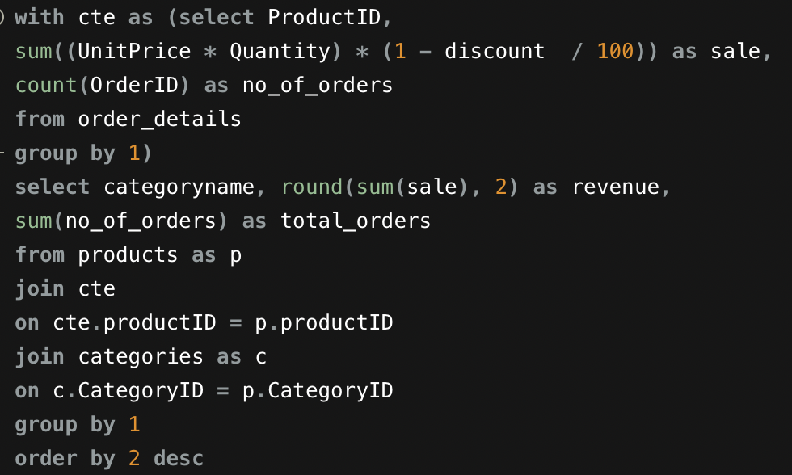

 |  |  |  | Upon analysing sales data for all the categories, we can conclued that Beverages and dairy products generates more revenue, so can be consideres as potential market. But on the other end meat/poultry has max avg sale per order followed by produce , beverages and then dairy products

Q 4
Are there any specific product categories or SKUs that contribute significantly to order revenue? Can we identify them through visualizations?

Total sale by categories
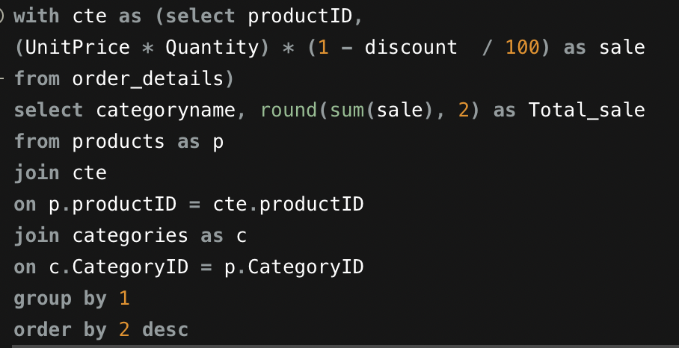
categoryname | Total_sale
Beverages | 286340.36
Dairy Products | 251162.27
Meat/Poultry | 178037.14
Confections | 177001.68
Seafood | 141519.48
Condiments | 113618.27
Produce | 105215.76
Grains/Cereals | 100676.98

 |  | Upon analysing sales data for all the categories, we can conclued that Beverages and dairy products contribute significantly to order revenue

Q 5
Are there any correlations between order size and customer demographics or product categories? Can we explore this visually using scatter plots or heatmaps?

Total Revenue vs customer count
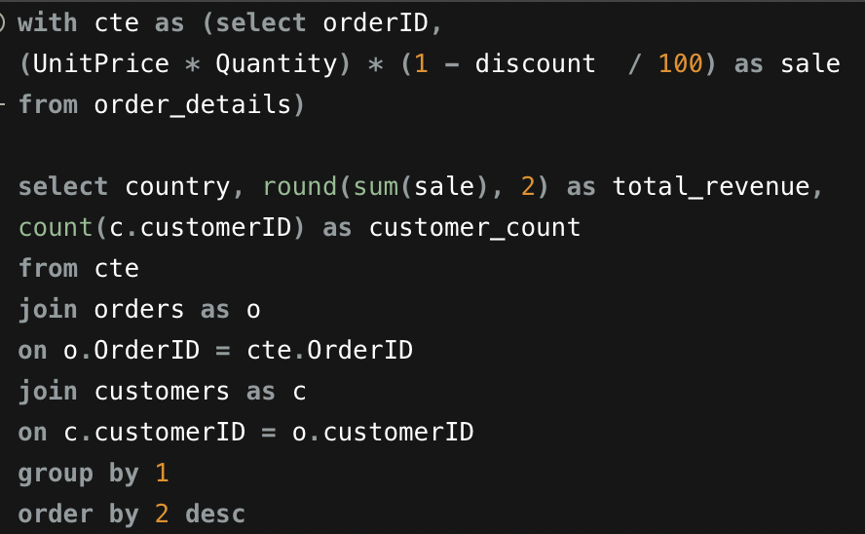
country | total_revenue | customer_count
USA | 263387.16 | 352
Germany | 244497.07 | 328
Austria | 139381.7 | 125
Brazil | 114888.05 | 203
France | 85457.36 | 184
Venezuela | 60774.85 | 118
UK | 60600.06 | 135
Sweden | 59473.41 | 97
Ireland | 57244.02 | 55
Canada | 55282.72 | 75
Belgium | 35121.88 | 56
Denmark | 34761.04 | 46
Switzerland | 32907.23 | 52
Mexico | 24068.54 | 72
Finland | 19768.77 | 54
Spain | 19417.4 | 54
Italy | 16695.8 | 53
Portugal | 12458.69 | 30
Argentina | 8119.1 | 34
Norway | 5735.15 | 16
Poland | 3531.95 | 16

 |  |  | The above graph shows weak positive correlation between order size(revenue) and customer demographics i.e., customer count by countries .

Q 7
Are there any correlations between employee satisfaction levels and key performance indicators? Can we explore this visually through scatter plots or line charts?

Employee work days vs Employee sales
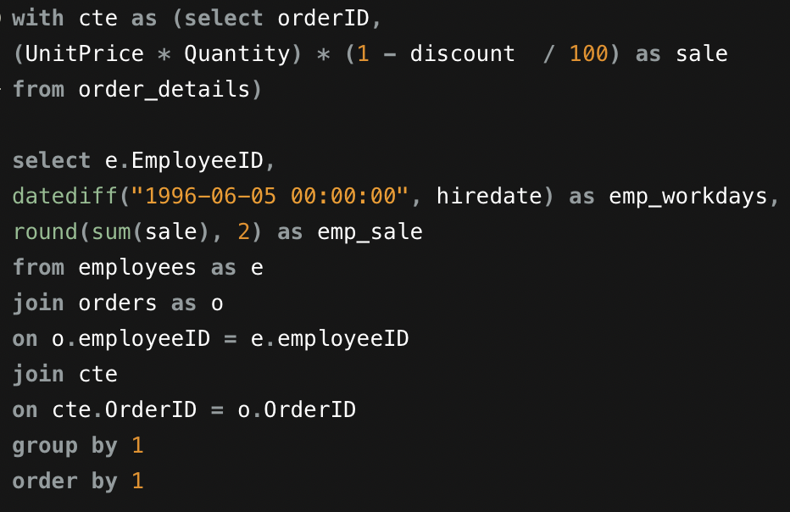
EmployeeID | emp_workdays | emp_sale
1 | 1496 | 202043.35
2 | 1391 | 177637.14
3 | 1526 | 212948.92
4 | 1129 | 250014.48
5 | 962 | 75500
6 | 962 | 78155.25
7 | 885 | 141128.71
8 | 823 | 133236.64
9 | 568 | 82907.44

 |  |  | The above graph represents no correlation between employee working days (employee satisfaction levels) and employee sales generated (key performance indicators).

Q 8
How does employee turnover vary across different departments or job roles? Can we visualize this using bar charts or heatmaps?

Employee's sale by job title
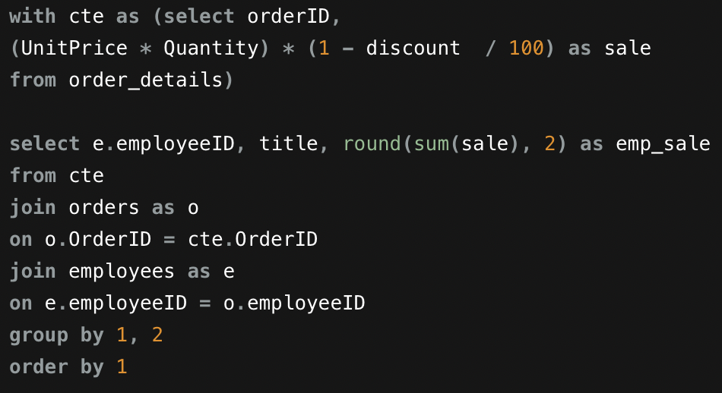
employeeID | title | emp_sale
4 | Sales Representative | 250014.48
3 | Sales Representative | 212948.92
1 | Sales Representative | 202043.35
2 | Vice President, Sales | 177637.14
7 | Sales Representative | 141128.71
8 | Inside Sales Coordinator | 133236.64
9 | Sales Representative | 82907.44
6 | Sales Representative | 78155.25
5 | Sales Manager | 75500

 |  |  | The above bar graph shows employee turnover across different job roles.

Q 9
Can we identify any patterns or clusters in employee skill sets or qualifications through visualizations? How can this information be used for talent management?

Emplyee sale
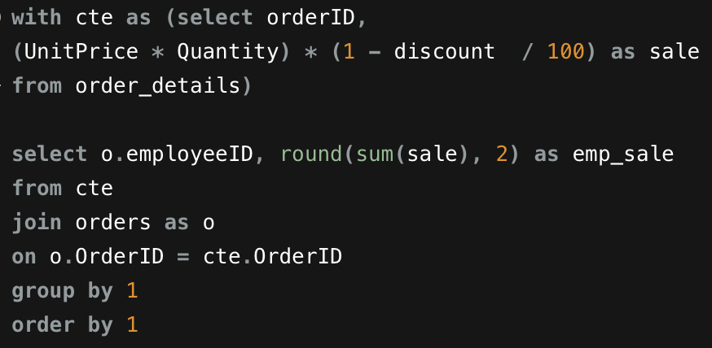
employeeID | emp_sale | Qualification
1 | 202043.35 | BA
2 | 177637.14 | Ph.D
3 | 212948.92 | BS
4 | 250014.48 | MA
5 | 75500 | BSc
6 | 78155.25 | MBA
7 | 141128.71 | BA
8 | 133236.64 | BA
9 | 82907.44 | BA

 |  |  | Assumption
 |  |  | Qualification for each employee is extracted from the information provided in 'notes' column of employees table .

 |  |  | Conclusion
 |  |  | There is no correlation between qualification and employee sale. So, this information can not used for talent management

Q 10
Are there any correlations between product attributes (e.g., size, color, features) and sales performance? Can we explore this visually using scatter plots or heatmaps?

Sales vs unit price
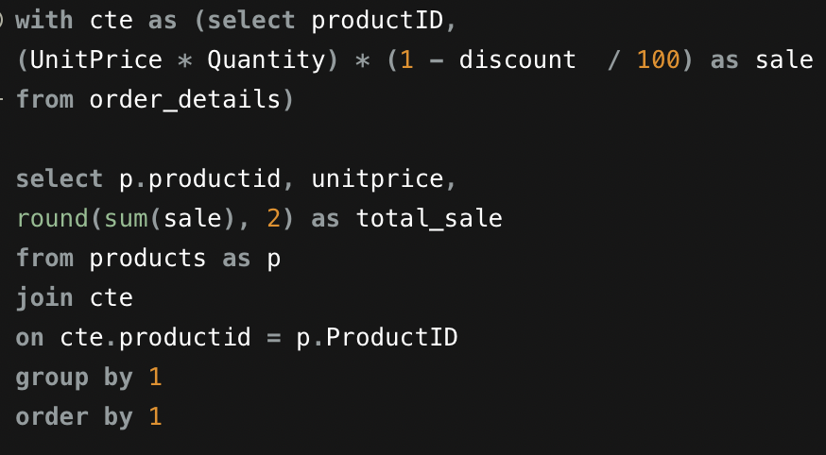
productid | unitprice | total_sale
1 | 18 | 14262.7
2 | 19 | 18537.17
3 | 10 | 3079.64
4 | 22 | 9416.23
5 | 21.35 | 5796.61
6 | 25 | 7342.92
7 | 30 | 22459.8
8 | 40 | 13750.12
9 | 97 | 8810.99
10 | 31 | 22127.47
11 | 21 | 13892
12 | 38 | 12860.71
13 | 6 | 5231.66
14 | 23.25 | 8624.01
15 | 15.5 | 1813.21
16 | 17.45 | 18732.73
17 | 39 | 35454.36
18 | 62.5 | 31959.34
19 | 9.2 | 6156.53
20 | 81 | 23625.08
21 | 10 | 9630.68
22 | 21 | 7231.3
23 | 9 | 4837.81
24 | 4.5 | 4779.82
25 | 14 | 4048.13
26 | 31.23 | 21518.04
27 | 43.9 | 15230.18
28 | 45.6 | 26853.91
29 | 123.79 | 87662.72
30 | 25.89 | 14762.03
31 | 12.5 | 16159.98
32 | 32 | 9163.53
33 | 2.5 | 1712.85
34 | 14 | 6674.72
35 | 18 | 14527.87
36 | 19 | 14531.76
37 | 26 | 3043.61 | The above graph shows weak positive correlations between product attributes (unit price) and sale of each product.
38 | 263.5 | 149898.33
39 | 18 | 13142.24
40 | 18.4 | 19036.92
41 | 9.65 | 9093.92
42 | 14 | 9324.83
43 | 46 | 25063.68
44 | 19.45 | 10518.12
45 | 9.5 | 4736.48
46 | 12 | 6141.39
47 | 9.5 | 4354.59
48 | 12.75 | 1541.01
49 | 20 | 9497.45
50 | 16.25 | 3509.28
51 | 53 | 44713.37
52 | 7 | 3382.29
53 | 32.8 | 21500.84
54 | 7.45 | 5117.07
55 | 24 | 19491.14
56 | 38 | 45095.92
57 | 19.5 | 7806.34
58 | 13.25 | 6656.92
59 | 55 | 76244.6
60 | 34 | 50251.39
61 | 28.5 | 16417.94
62 | 49.3 | 49801.97
63 | 43.9 | 17686.35
64 | 33.25 | 22998.49
65 | 21.05 | 14599.63
66 | 17 | 3517.64
67 | 14 | 2560.35
68 | 12.5 | 9356.02
69 | 36 | 24283.55
70 | 15 | 11464.01
71 | 21.5 | 20863.25
72 | 34.8 | 25730.41
73 | 15 | 4197.97
74 | 10 | 2564.66
75 | 7.75 | 8645.82
76 | 18 | 16783.66
77 | 13 | 9679.87

Q 11
How does product demand fluctuate over different seasons or months? Can we visualize this through line charts or area charts?

orderDate | Quantity
8/4/94 | 27 | date | Sum of Quantity
8/5/94 | 49 | 1994 | 7381
8/8/94 | 101 | Qtr3 | 2784
8/9/94 | 105 | Aug | 1462
8/10/94 | 102 | Sep | 1322
8/11/94 | 57 | Qtr4 | 4597
8/12/94 | 110 | Oct | 1124
8/15/94 | 27 | Nov | 1669
Product Quantity sold over Time
8/16/94 | 46 | Dec | 1804
8/17/94 | 121 | 1995 | 25007
8/18/94 | 11 | Qtr1 | 6733
8/19/94 | 142 | Jan | 2200
8/22/94 | 29 | Feb | 1951
8/23/94 | 184 | Mar | 2582
8/24/94 | 60 | Qtr2 | 5846
8/25/94 | 50 | Apr | 1622
8/26/94 | 12 | May | 2060
8/29/94 | 135 | Jun | 2164
8/30/94 | 14 | Qtr3 | 5550
8/31/94 | 80 | Jul | 1635
9/1/94 | 79 | Aug | 2054
9/2/94 | 70 | Sep | 1861
9/5/94 | 152 | Qtr4 | 6878
9/6/94 | 27 | Oct | 2343
9/7/94 | 18 | Nov | 2657
9/8/94 | 25 | Dec | 1878
9/9/94 | 32 | 1996 | 18929
9/12/94 | 64 | Qtr1 | 9263
9/13/94 | 15 | Jan | 2682
9/14/94 | 73 | Feb | 3293
9/15/94 | 8 | Mar | 3288
9/16/94 | 76 | Qtr2 | 9666
9/19/94 | 61 | Apr | 4065
9/20/94 | 121 | May | 4957
9/21/94 | 140 | Jun | 644
9/22/94 | 75 | Grand Total | 51317
9/23/94 | 13
9/26/94 | 39
9/27/94 | 106 |  |  | The above graph provides the product demand fluctuation over different seasons or months.
9/28/94 | 20
9/29/94 | 33
9/30/94 | 75
10/3/94 | 4
10/4/94 | 57
10/5/94 | 80
10/6/94 | 125
10/7/94 | 35
10/10/94 | 80
10/11/94 | 80
10/12/94 | 85
10/13/94 | 42
10/14/94 | 80
10/17/94 | 25
10/18/94 | 13
10/19/94 | 6
10/20/94 | 75
10/21/94 | 28
10/24/94 | 58
10/25/94 | 12
10/26/94 | 95
10/27/94 | 44
10/28/94 | 80
10/31/94 | 20
11/1/94 | 26
11/2/94 | 52
11/3/94 | 40
11/4/94 | 20
11/7/94 | 13
11/8/94 | 241
11/9/94 | 71
11/10/94 | 90
11/11/94 | 140
11/14/94 | 59
11/15/94 | 50
11/16/94 | 90
11/17/94 | 66
11/18/94 | 60
11/21/94 | 18
11/22/94 | 86
11/23/94 | 18
11/24/94 | 137
11/25/94 | 35
11/28/94 | 108
11/29/94 | 89
11/30/94 | 160
12/1/94 | 69
12/2/94 | 105
12/5/94 | 159
12/6/94 | 56
12/7/94 | 70
12/8/94 | 40
12/9/94 | 24
12/12/94 | 153
12/13/94 | 30
12/14/94 | 62
12/15/94 | 16
12/16/94 | 50
12/19/94 | 62
12/20/94 | 54
12/21/94 | 40
12/22/94 | 206
12/23/94 | 247
12/26/94 | 94
12/27/94 | 79
12/28/94 | 24
12/29/94 | 86
12/30/94 | 78
1/2/95 | 38
1/3/95 | 71
1/4/95 | 164
1/5/95 | 175
1/6/95 | 25
1/9/95 | 82
1/10/95 | 6
1/11/95 | 44
1/12/95 | 88
1/13/95 | 165
1/16/95 | 98
1/17/95 | 38
1/18/95 | 73
1/19/95 | 75
1/20/95 | 81
1/23/95 | 187
1/24/95 | 50
1/25/95 | 196
1/26/95 | 106
1/27/95 | 149
1/30/95 | 150
1/31/95 | 139
2/1/95 | 254
2/2/95 | 125
2/3/95 | 191
2/6/95 | 50
2/7/95 | 149
2/8/95 | 51
2/9/95 | 24
2/10/95 | 139
2/13/95 | 20
2/14/95 | 146
2/15/95 | 22
2/16/95 | 173
2/17/95 | 146
2/20/95 | 80
2/21/95 | 109
2/22/95 | 2
2/23/95 | 173
2/24/95 | 30
2/27/95 | 47
2/28/95 | 20
3/1/95 | 75
3/2/95 | 325
3/3/95 | 50
3/6/95 | 52
3/7/95 | 32
3/8/95 | 114
3/9/95 | 50
3/10/95 | 67
3/13/95 | 258
3/14/95 | 170
3/15/95 | 81
3/16/95 | 21
3/17/95 | 127
3/20/95 | 26
3/21/95 | 69
3/22/95 | 264
3/23/95 | 115
3/24/95 | 90
3/27/95 | 125
3/28/95 | 97
3/29/95 | 145
3/30/95 | 76
3/31/95 | 153
4/3/95 | 22
4/4/95 | 140
4/5/95 | 118
4/6/95 | 55
4/7/95 | 23
4/10/95 | 77
4/11/95 | 103
4/12/95 | 98
4/13/95 | 85
4/14/95 | 137
4/17/95 | 70
4/18/95 | 20
4/19/95 | 148
4/20/95 | 106
4/21/95 | 10
4/24/95 | 92
4/25/95 | 130
4/26/95 | 105
4/27/95 | 50
4/28/95 | 33
5/1/95 | 148
5/2/95 | 80
5/3/95 | 65
5/4/95 | 35
5/5/95 | 84
5/8/95 | 49
5/9/95 | 45
5/10/95 | 40
5/11/95 | 57
5/12/95 | 149
5/15/95 | 3
5/16/95 | 62
5/17/95 | 20
5/18/95 | 3
5/19/95 | 182
5/22/95 | 37
5/23/95 | 338
5/24/95 | 286
5/25/95 | 141
5/26/95 | 29
5/29/95 | 66
5/30/95 | 32
5/31/95 | 109
6/1/95 | 151
6/2/95 | 45
6/5/95 | 128
6/6/95 | 20
6/7/95 | 44
6/8/95 | 137
6/9/95 | 39
6/12/95 | 128
6/13/95 | 80
6/14/95 | 186
6/15/95 | 8
6/16/95 | 44
6/19/95 | 249
6/20/95 | 39
6/21/95 | 114
6/22/95 | 10
6/23/95 | 164
6/26/95 | 24
6/27/95 | 203
6/28/95 | 134
6/29/95 | 48
6/30/95 | 169
7/3/95 | 143
7/4/95 | 74
7/5/95 | 96
7/6/95 | 30
7/7/95 | 95
7/10/95 | 30
7/11/95 | 142
7/12/95 | 43
7/13/95 | 166
7/14/95 | 5
7/17/95 | 65
7/18/95 | 114
7/19/95 | 87
7/20/95 | 115
7/21/95 | 58
7/24/95 | 99
7/25/95 | 26
7/26/95 | 31
7/27/95 | 104
7/28/95 | 18
7/31/95 | 94
8/1/95 | 15
8/2/95 | 50
8/3/95 | 140
8/4/95 | 4
8/7/95 | 154
8/8/95 | 30
8/9/95 | 99
8/10/95 | 215
8/11/95 | 126
8/14/95 | 59
8/15/95 | 10
8/16/95 | 129
8/17/95 | 5
8/18/95 | 89
8/21/95 | 135
8/22/95 | 263
8/23/95 | 28
8/24/95 | 19
8/25/95 | 52
8/28/95 | 263
8/29/95 | 75
8/30/95 | 5
8/31/95 | 89
9/1/95 | 105
9/4/95 | 82
9/5/95 | 60
9/6/95 | 38
9/7/95 | 120
9/8/95 | 18
9/11/95 | 102
9/12/95 | 54
9/13/95 | 47
9/14/95 | 58
9/15/95 | 266
9/18/95 | 65
9/19/95 | 126
9/20/95 | 109
9/21/95 | 35
9/22/95 | 160
9/25/95 | 83
9/26/95 | 35
9/27/95 | 148
9/28/95 | 65
9/29/95 | 85
10/2/95 | 54
10/3/95 | 88
10/4/95 | 20
10/5/95 | 241
10/6/95 | 339
10/9/95 | 21
10/10/95 | 62
10/11/95 | 131
10/12/95 | 31
10/13/95 | 105
10/16/95 | 57
10/17/95 | 192
10/18/95 | 59
10/19/95 | 20
10/20/95 | 70
10/23/95 | 68
10/24/95 | 292
10/25/95 | 110
10/26/95 | 134
10/27/95 | 99
10/30/95 | 39
10/31/95 | 111
11/1/95 | 127
11/2/95 | 50
11/3/95 | 202
11/6/95 | 276
11/7/95 | 34
11/8/95 | 114
11/9/95 | 120
11/10/95 | 117
11/13/95 | 118
11/14/95 | 140
11/15/95 | 24
11/16/95 | 141
11/17/95 | 87
11/20/95 | 10
11/21/95 | 207
11/22/95 | 319
11/23/95 | 51
11/24/95 | 94
11/27/95 | 171
11/28/95 | 29
11/29/95 | 190
11/30/95 | 36
12/1/95 | 22
12/4/95 | 70
12/5/95 | 168
12/6/95 | 28
12/7/95 | 90
12/8/95 | 126
12/11/95 | 22
12/12/95 | 76
12/13/95 | 27
12/14/95 | 94
12/15/95 | 120
12/18/95 | 78
12/19/95 | 92
12/20/95 | 165
12/21/95 | 143
12/22/95 | 70
12/25/95 | 88
12/26/95 | 12
12/27/95 | 99
12/28/95 | 158
12/29/95 | 130
1/1/96 | 82
1/2/96 | 187
1/3/96 | 216
1/4/96 | 80
1/5/96 | 117
1/8/96 | 161
1/9/96 | 15
1/10/96 | 59
1/11/96 | 162
1/12/96 | 9
1/15/96 | 195
1/16/96 | 100
1/17/96 | 59
1/18/96 | 97
1/19/96 | 122
1/22/96 | 206
1/23/96 | 62
1/24/96 | 143
1/25/96 | 110
1/26/96 | 144
1/29/96 | 180
1/30/96 | 138
1/31/96 | 38
2/1/96 | 107
2/2/96 | 139
2/5/96 | 141
2/6/96 | 205
2/7/96 | 97
2/8/96 | 35
2/9/96 | 143
2/12/96 | 86
2/13/96 | 156
2/14/96 | 59
2/15/96 | 83
2/16/96 | 264
2/19/96 | 140
2/20/96 | 163
2/21/96 | 284
2/22/96 | 359
2/23/96 | 154
2/26/96 | 138
2/27/96 | 278
2/28/96 | 115
2/29/96 | 147
3/1/96 | 173
3/4/96 | 191
3/5/96 | 70
3/6/96 | 217
3/7/96 | 144
3/8/96 | 94
3/11/96 | 96
3/12/96 | 162
3/13/96 | 87
3/14/96 | 168
3/15/96 | 150
3/18/96 | 157
3/19/96 | 55
3/20/96 | 663
3/21/96 | 147
3/22/96 | 16
3/25/96 | 96
3/26/96 | 151
3/27/96 | 29
3/28/96 | 315
3/29/96 | 107
4/1/96 | 164
4/2/96 | 168
4/3/96 | 122
4/4/96 | 164
4/5/96 | 300
4/8/96 | 83
4/9/96 | 206
4/10/96 | 311
4/11/96 | 161
4/12/96 | 165
4/15/96 | 194
4/16/96 | 153
4/17/96 | 129
4/18/96 | 297
4/19/96 | 69
4/22/96 | 125
4/23/96 | 88
4/24/96 | 56
4/25/96 | 373
4/26/96 | 228
4/29/96 | 264
4/30/96 | 245
5/1/96 | 503
5/2/96 | 82
5/3/96 | 215
5/6/96 | 360
5/7/96 | 34
5/8/96 | 274
5/9/96 | 272
5/10/96 | 92
5/13/96 | 205
5/14/96 | 291
5/15/96 | 161
5/16/96 | 142
5/17/96 | 708
5/20/96 | 180
5/21/96 | 173
5/22/96 | 109
5/23/96 | 104
5/24/96 | 111
5/27/96 | 180
5/28/96 | 225
5/29/96 | 108
5/30/96 | 151
5/31/96 | 277
6/3/96 | 101
6/4/96 | 365
6/5/96 | 178

Q 12
Can we identify any outliers or anomalies in product performance or sales using visualizations? How can this information be used for product optimization?

Product Total sale
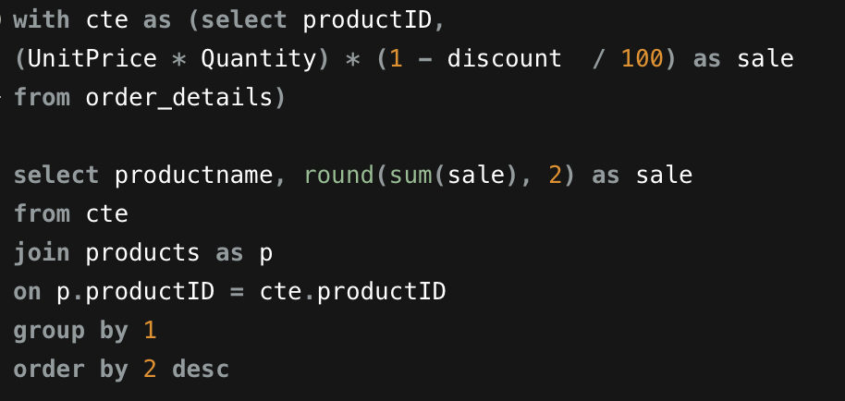
productname | sale
Côte de Blaye | 149898.33
Thüringer Rostbratwurst | 87662.72
Raclette Courdavault | 76244.6
Camembert Pierrot | 50251.39
Tarte au sucre | 49801.97
Gnocchi di nonna Alice | 45095.92
Manjimup Dried Apples | 44713.37
Alice Mutton | 35454.36
Carnarvon Tigers | 31959.34
Rössle Sauerkraut | 26853.91
Mozzarella di Giovanni | 25730.41
Ipoh Coffee | 25063.68
Gudbrandsdalsost | 24283.55
Sir Rodney's Marmalade | 23625.08
Wimmers gute Semmelknödel | 22998.49 | Yes, the outlier is product name - 'Côte de Blaye' with sale - 149898.33, which has highest sale among all the products and also much more then the average sale.
Uncle Bob's Organic Dried Pears | 22459.8
Ikura | 22127.47
Gumbär Gummibärchen | 21518.04
Perth Pasties | 21500.84 | By this graph we can conclude that the least selling products can removed from the inventory and increase the quantity of top selling items, there by improving product optimization .
Fløtemysost | 20863.25
Pâté chinois | 19491.14
Boston Crab Meat | 19036.92
Pavlova | 18732.73
Chang | 18537.17
Vegie-spread | 17686.35
Lakkalikööri | 16783.66
Sirop d'érable | 16417.94
Gorgonzola Telino | 16159.98
Schoggi Schokolade | 15230.18
Nord-Ost Matjeshering | 14762.03
Louisiana Fiery Hot Pepper Sauce | 14599.63
Inlagd Sill | 14531.76
Steeleye Stout | 14527.87
Chai | 14262.7
Queso Cabrales | 13892
Northwoods Cranberry Sauce | 13750.12
Chartreuse verte | 13142.24
Queso Manchego La Pastora | 12860.71
Outback Lager | 11464.01
Gula Malacca | 10518.12
Original Frankfurter grüne Soße | 9679.87
Sir Rodney's Scones | 9630.68
Maxilaku | 9497.45
Chef Anton's Cajun Seasoning | 9416.23
Scottish Longbreads | 9356.02
Singaporean Hokkien Fried Mee | 9324.83
Mascarpone Fabioli | 9163.53
Jack's New England Clam Chowder | 9093.92
Mishi Kobe Niku | 8810.99
Rhönbräu Klosterbier | 8645.82
Tofu | 8624.01
Ravioli Angelo | 7806.34
Grandma's Boysenberry Spread | 7342.92
Gustaf's Knäckebröd | 7231.3
Sasquatch Ale | 6674.72
Escargots de Bourgogne | 6656.92
Teatime Chocolate Biscuits | 6156.53
Spegesild | 6141.39
Chef Anton's Gumbo Mix | 5796.61
Konbu | 5231.66
Tourtière | 5117.07
Tunnbröd | 4837.81
Guaraná Fantástica | 4779.82
Røgede sild | 4736.48
Zaanse koeken | 4354.59
Röd Kaviar | 4197.97
NuNuCa Nuß-Nougat-Creme | 4048.13
Louisiana Hot Spiced Okra | 3517.64
Valkoinen suklaa | 3509.28
Filo Mix | 3382.29
Aniseed Syrup | 3079.64
Gravad lax | 3043.61
Longlife Tofu | 2564.66
Laughing Lumberjack Lager | 2560.35
Genen Shouyu | 1813.21
Geitost | 1712.85
Chocolade | 1541.01

Q 13
Are there any correlations between supplier attributes (e.g., location, size, industry) and performance metrics (e.g., on-time delivery, product quality)? Can we explore this visually through scatter plots or heatmaps?

Order count by delivery status over country
 | on_time | late | not_delivered
Australia | 241 | 12 | 8
Brazil | 46 | 3 | 2
Canada | 133 | 5 | 3
Denmark | 37 | 1 | 3
Finland | 63 | 3 | 4
France | 162 | 10 | 5
Germany | 248 | 13 | 9
Italy | 166 | 8 | 3
Japan | 107 | 6 | 6
Netherlands | 27
Norway | 96 | 6 | 3
Singapore | 75 | 6 | 1
Spain | 48 | 2 | 2
Sweden | 47 | 3 | 1
Sweden | 33 |  | 1
UK | 200 | 10 | 10
USA | 251 | 14 | 12
country | deliverystatus | Count of deliverystatus | Column Labels
Spain | on_time | Row Labels | on_time | late | not_delivered | Grand Total
Singapore | on_time | Australia | 241 | 12 | 8 | 261
Italy | on_time | Brazil | 46 | 3 | 2 | 51
Japan | on_time | Canada | 133 | 5 | 3 | 141
Australia | on_time | Denmark | 37 | 1 | 3 | 41
USA | on_time | Finland | 63 | 3 | 4 | 70
Australia | on_time | France | 162 | 10 | 5 | 177
USA | on_time | Germany | 248 | 13 | 9 | 270
Sweden | on_time | Italy | 166 | 8 | 3 | 177
Italy | on_time | Japan | 107 | 6 | 6 | 119
USA | on_time | Netherlands | 27 |  |  | 27
UK | on_time | Norway | 96 | 6 | 3 | 105
Norway | on_time | Singapore | 75 | 6 | 1 | 82
France | on_time | Spain | 48 | 2 | 2 | 52
Italy | on_time | Sweden | 47 | 3 | 1 | 51
France | on_time | Sweden | 33 |  | 1 | 34
Finland | on_time | UK | 200 | 10 | 10 | 220
Brazil | on_time | USA | 251 | 14 | 12 | 277
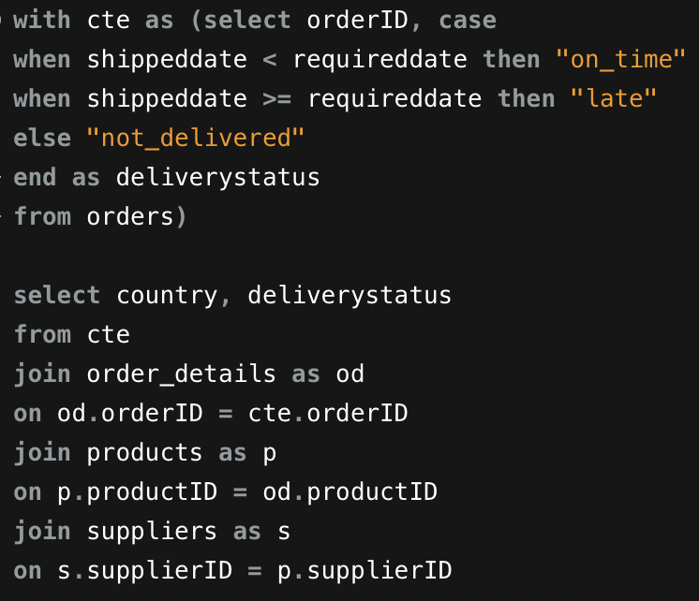
Canada | on_time
Japan | on_time
UK | on_time
Australia | on_time
Sweden | on_time
France | on_time
Australia | on_time
Germany | on_time
Germany | on_time
France | on_time
Germany | on_time
UK | on_time |  |  |  |  |  | The above graph gives us the correlation between supplier country and delivery status
USA | on_time
Italy | on_time
UK | on_time
Sweden | on_time
USA | on_time
Italy | on_time
Canada | on_time
Australia | on_time
UK | on_time
USA | on_time
USA | on_time
USA | on_time
Italy | on_time
Australia | on_time
Brazil | on_time
Germany | on_time
Japan | on_time
UK | late
USA | late
Australia | on_time
Australia | on_time
Spain | on_time
USA | on_time
France | on_time
Finland | on_time
Germany | on_time
Italy | on_time
Norway | on_time
Italy | on_time
Sweden | on_time
Singapore | on_time
Norway | late
UK | on_time
Italy | on_time
Italy | on_time
Japan | on_time
Italy | on_time
Norway | on_time
USA | on_time
Finland | on_time
Norway | on_time
Italy | on_time
Brazil | on_time
France | on_time
Japan | on_time
Japan | on_time
Germany | on_time
Canada | on_time
Singapore | on_time
France | on_time
Australia | on_time
Sweden | on_time
Australia | on_time
Brazil | late
Canada | late
Germany | late
UK | on_time
Brazil | on_time
USA | on_time
Germany | on_time
Italy | on_time
Japan | on_time
UK | on_time
France | on_time
Italy | on_time
Germany | on_time
Singapore | on_time
France | on_time
USA | on_time
UK | on_time
USA | on_time
Australia | on_time
USA | on_time
Canada | on_time
Australia | on_time
USA | on_time
Denmark | on_time
Canada | on_time
UK | on_time
UK | on_time
Germany | on_time
USA | on_time
Germany | on_time
Finland | on_time
Germany | on_time
Japan | on_time
Singapore | on_time
Australia | on_time
UK | on_time
Australia | on_time
Brazil | on_time
Australia | on_time
Germany | on_time
UK | on_time
Australia | on_time
Singapore | on_time
France | on_time
Germany | on_time
Italy | on_time
Spain | on_time
Australia | on_time
Norway | on_time
France | on_time
Italy | on_time
UK | on_time
Sweden | on_time
France | on_time
Canada | on_time
UK | on_time
Australia | on_time
USA | on_time
UK | on_time
USA | on_time
Italy | on_time
Australia | late
Germany | late
Singapore | late
USA | on_time
USA | on_time
UK | on_time
Finland | on_time
France | on_time
Norway | on_time
Australia | on_time
Germany | on_time
France | on_time
Germany | on_time
Australia | on_time
Canada | on_time
Canada | on_time
UK | on_time
Norway | on_time
Australia | on_time
USA | late
USA | late
Singapore | late
Singapore | late
Norway | late
Australia | on_time
Canada | on_time
Singapore | on_time
Norway | on_time
Germany | on_time
Singapore | on_time
Australia | on_time
Germany | on_time
Sweden | on_time
Italy | on_time
France | on_time
Canada | on_time
USA | on_time
Australia | on_time
USA | on_time
Canada | on_time
UK | on_time
USA | on_time
Finland | on_time
Australia | on_time
Germany | on_time
Finland | on_time
Norway | late
USA | on_time
Australia | on_time
Japan | on_time
Germany | on_time
France | on_time
Australia | on_time
USA | on_time
Denmark | on_time
France | on_time
Australia | on_time
USA | on_time
Japan | on_time
Japan | on_time
Italy | on_time
Italy | on_time
USA | on_time
Italy | on_time
Germany | on_time
UK | on_time
Spain | on_time
Germany | on_time
France | on_time
France | on_time
USA | on_time
UK | on_time
UK | on_time
Germany | on_time
France | on_time
Italy | on_time
Germany | on_time
Italy | on_time
Canada | on_time
Australia | on_time
Singapore | on_time
Netherlands | on_time
Japan | on_time
UK | on_time
Norway | on_time
Australia | on_time
UK | on_time
UK | on_time
Italy | on_time
Italy | on_time
Australia | on_time
USA | on_time
Sweden | on_time
Germany | on_time
Sweden | on_time
Sweden | on_time
Italy | on_time
Australia | on_time
Germany | on_time
USA | on_time
Australia | on_time
Canada | on_time
Australia | on_time
USA | on_time
Singapore | on_time
Norway | on_time
France | on_time
UK | on_time
Italy | on_time
Sweden | on_time
Canada | on_time
Germany | on_time
UK | on_time
Finland | on_time
USA | on_time
USA | on_time
USA | on_time
UK | on_time
Singapore | on_time
Australia | on_time
Italy | on_time
Germany | on_time
France | on_time
USA | on_time
Germany | on_time
UK | on_time
Sweden | on_time
Canada | on_time
Finland | on_time
Norway | on_time
France | on_time
USA | on_time
Singapore | on_time
USA | on_time
Brazil | on_time
Canada | on_time
Spain | on_time
France | on_time
UK | on_time
Germany | on_time
Brazil | on_time
Italy | on_time
Italy | on_time
Canada | on_time
Norway | on_time
Japan | on_time
Germany | on_time
France | on_time
Brazil | on_time
USA | on_time
Sweden | on_time
Australia | on_time
Italy | on_time
France | on_time
Germany | on_time
Germany | on_time
France | on_time
Finland | on_time
Canada | on_time
France | on_time
France | on_time
Germany | on_time
Australia | on_time
Canada | on_time
Italy | on_time
Germany | on_time
Finland | on_time
Norway | on_time
Norway | on_time
Spain | on_time
USA | on_time
Germany | on_time
USA | on_time
Canada | on_time
USA | on_time
Germany | on_time
UK | on_time
Germany | on_time
Italy | on_time
Germany | on_time
Germany | on_time
Italy | on_time
UK | on_time
Germany | on_time
Japan | on_time
Sweden | on_time
UK | on_time
France | on_time
France | on_time
Italy | on_time
France | on_time
Norway | on_time
Italy | on_time
France | on_time
Japan | on_time
Canada | on_time
Italy | on_time
Germany | on_time
France | on_time
Norway | on_time
USA | on_time
Australia | on_time
USA | on_time
Germany | late
Australia | late
France | late
Australia | late
Japan | on_time
USA | on_time
Australia | on_time
Germany | on_time
Norway | on_time
Japan | on_time
Japan | on_time
Finland | on_time
Italy | on_time
UK | on_time
France | on_time
USA | on_time
France | on_time
UK | on_time
Brazil | on_time
USA | on_time
Brazil | on_time
Germany | on_time
France | on_time
Norway | on_time
Denmark | on_time
Australia | on_time
Australia | on_time
Japan | on_time
Canada | on_time
Canada | on_time
Australia | on_time
Italy | on_time
USA | on_time
Denmark | on_time
Italy | on_time
Japan | on_time
Norway | on_time
UK | on_time
Japan | on_time
Germany | on_time
Germany | on_time
Italy | on_time
Japan | on_time
Canada | on_time
Denmark | on_time
Australia | on_time
Norway | on_time
Sweden | on_time
Norway | on_time
Italy | on_time
UK | on_time
Australia | on_time
USA | on_time
Canada | on_time
UK | on_time
Norway | on_time
Finland | on_time
Germany | on_time
Germany | on_time
USA | on_time
Finland | on_time
Germany | on_time
Italy | on_time
USA | on_time
Norway | on_time
Sweden | on_time
Australia | on_time
Australia | on_time
Netherlands | on_time
Germany | on_time
Singapore | on_time
Finland | on_time
UK | on_time
UK | on_time
UK | on_time
Germany | on_time
Sweden | on_time
USA | on_time
Spain | on_time
Norway | on_time
Norway | on_time
Sweden | on_time
Canada | on_time
Canada | on_time
Japan | on_time
UK | on_time
Norway | on_time
France | on_time
USA | on_time
Singapore | on_time
France | on_time
Japan | on_time
UK | on_time
Canada | on_time
Finland | on_time
UK | on_time
Norway | on_time
Australia | on_time
Norway | on_time
UK | on_time
Australia | on_time
Italy | on_time
France | on_time
Denmark | on_time
UK | on_time
Germany | on_time
UK | on_time
Netherlands | on_time
Canada | on_time
Japan | on_time
France | on_time
Norway | on_time
Japan | on_time
Japan | on_time
Australia | on_time
Sweden | on_time
UK | on_time
Germany | on_time
Australia | on_time
Germany | on_time
Germany | on_time
Italy | late
France | late
USA | on_time
France | on_time
UK | on_time
Canada | on_time
Finland | on_time
Italy | on_time
Germany | on_time
Japan | late
Denmark | on_time
Finland | on_time
Australia | on_time
Australia | on_time
UK | on_time
Italy | on_time
France | on_time
Australia | on_time
USA | on_time
Netherlands | on_time
Germany | on_time
Canada | on_time
Italy | late
Spain | on_time
Finland | on_time
UK | on_time
Sweden | on_time
Italy | on_time
Denmark | on_time
Italy | on_time
Germany | on_time
Germany | on_time
Australia | on_time
UK | on_time
USA | on_time
Italy | on_time
Spain | on_time
Australia | on_time
Germany | on_time
Japan | on_time
UK | on_time
Australia | on_time
Germany | on_time
Canada | on_time
Germany | on_time
Spain | on_time
Canada | on_time
USA | on_time
Spain | on_time
Germany | on_time
Australia | on_time
Germany | on_time
USA | on_time
USA | on_time
France | on_time
Canada | on_time
UK | on_time
Brazil | on_time
Italy | on_time
Australia | on_time
UK | on_time
USA | on_time
Norway | on_time
Germany | on_time
USA | on_time
Japan | on_time
Australia | on_time
Canada | on_time
Japan | on_time
Canada | on_time
Canada | late
Germany | late
USA | late
Germany | late
Germany | on_time
Singapore | on_time
Netherlands | on_time
Australia | on_time
Australia | on_time
Norway | on_time
Denmark | on_time
France | on_time
Australia | on_time
Canada | on_time
Norway | on_time
UK | on_time
Finland | on_time
France | on_time
Germany | on_time
Germany | on_time
Singapore | on_time
Italy | on_time
Norway | on_time
USA | on_time
Denmark | on_time
Italy | on_time
UK | on_time
Germany | on_time
UK | on_time
Germany | on_time
Canada | on_time
Japan | on_time
Sweden | on_time
UK | on_time
Singapore | on_time
USA | on_time
Singapore | on_time
Italy | on_time
France | on_time
Brazil | on_time
Germany | on_time
USA | on_time
Denmark | on_time
Finland | on_time
Spain | on_time
Denmark | on_time
Brazil | on_time
Germany | on_time
Germany | on_time
Singapore | on_time
UK | on_time
Australia | on_time
Singapore | on_time
Australia | on_time
Sweden | on_time
Germany | on_time
USA | on_time
Italy | on_time
Brazil | on_time
Australia | on_time
Norway | on_time
Norway | on_time
Japan | on_time
Germany | on_time
USA | on_time
Germany | on_time
Italy | on_time
USA | on_time
Finland | on_time
Canada | on_time
Australia | on_time
UK | on_time
UK | on_time
France | on_time
Japan | on_time
France | on_time
Australia | on_time
France | on_time
Germany | on_time
Netherlands | on_time
France | on_time
Finland | on_time
France | on_time
USA | on_time
USA | late
Germany | late
UK | on_time
USA | on_time
Australia | on_time
UK | on_time
UK | on_time
Canada | on_time
Australia | on_time
Spain | on_time
Australia | on_time
Japan | on_time
UK | on_time
Germany | on_time
Canada | on_time
France | on_time
Sweden | on_time
Spain | on_time
Australia | on_time
France | on_time
UK | on_time
Germany | on_time
Singapore | on_time
Germany | on_time
Germany | on_time
Singapore | on_time
USA | on_time
USA | on_time
Norway | on_time
Italy | on_time
Sweden | on_time
USA | on_time
Germany | on_time
Italy | on_time
Italy | on_time
Italy | on_time
Germany | on_time
Brazil | on_time
USA | on_time
Singapore | on_time
Germany | on_time
Finland | on_time
Japan | on_time
Germany | on_time
Canada | on_time
Denmark | on_time
Australia | on_time
USA | on_time
Japan | on_time
USA | on_time
UK | on_time
UK | on_time
Australia | on_time
Canada | on_time
Canada | on_time
Germany | on_time
Australia | on_time
Singapore | on_time
Netherlands | on_time
Japan | on_time
France | on_time
Germany | on_time
Germany | on_time
Germany | on_time
USA | on_time
USA | on_time
USA | on_time
Brazil | on_time
Denmark | on_time
Netherlands | on_time
France | on_time
UK | on_time
Italy | on_time
Canada | on_time
UK | on_time
Germany | on_time
Italy | on_time
USA | on_time
Germany | on_time
Japan | late
Australia | late
Germany | late
Norway | late
France | late
Australia | on_time
USA | on_time
Singapore | on_time
Australia | on_time
France | on_time
Australia | on_time
Brazil | on_time
France | on_time
Singapore | on_time
Japan | on_time
Italy | on_time
France | on_time
Brazil | on_time
Australia | on_time
USA | on_time
USA | on_time
UK | on_time
UK | on_time
USA | on_time
Germany | on_time
USA | on_time
Australia | late
UK | late
Sweden | late
USA | late
Japan | on_time
Germany | on_time
Singapore | on_time
Canada | on_time
Sweden | on_time
USA | on_time
UK | on_time
Japan | on_time
Italy | on_time
USA | on_time
Sweden | on_time
Spain | on_time
Norway | on_time
Italy | on_time
Canada | on_time
UK | on_time
Norway | on_time
Australia | on_time
Singapore | on_time
Canada | on_time
Finland | on_time
France | on_time
Germany | on_time
USA | on_time
USA | on_time
Italy | on_time
Sweden | on_time
Germany | on_time
USA | on_time
Canada | on_time
Spain | on_time
USA | on_time
Italy | on_time
France | on_time
Spain | on_time
Italy | on_time
Norway | on_time
France | on_time
Italy | on_time
Australia | on_time
France | on_time
Italy | on_time
Sweden | on_time
Australia | on_time
Italy | on_time
Japan | on_time
UK | on_time
Norway | on_time
Finland | on_time
UK | on_time
Germany | on_time
France | on_time
UK | on_time
Brazil | on_time
France | on_time
USA | on_time
Norway | on_time
Spain | on_time
Canada | on_time
Spain | on_time
Sweden | on_time
Germany | on_time
USA | on_time
Spain | late
USA | on_time
USA | on_time
Canada | on_time
Italy | on_time
Sweden | on_time
USA | on_time
USA | on_time
Italy | on_time
Denmark | on_time
Australia | on_time
Australia | on_time
UK | on_time
UK | on_time
Canada | on_time
Australia | on_time
USA | on_time
Singapore | on_time
Norway | on_time
Germany | on_time
Spain | on_time
Australia | on_time
Sweden | on_time
Italy | on_time
USA | on_time
Australia | on_time
Sweden | on_time
Canada | on_time
Germany | on_time
Japan | on_time
UK | on_time
Brazil | on_time
Australia | on_time
Italy | on_time
Italy | on_time
Germany | on_time
Germany | on_time
Netherlands | on_time
Australia | on_time
Australia | on_time
Australia | on_time
Sweden | on_time
USA | on_time
Canada | on_time
Germany | on_time
Canada | on_time
Singapore | on_time
Australia | on_time
Norway | on_time
Canada | on_time
Sweden | on_time
Australia | on_time
Australia | on_time
Italy | on_time
Canada | on_time
Brazil | on_time
Germany | on_time
Spain | on_time
Australia | on_time
Finland | on_time
Italy | on_time
Australia | on_time
France | on_time
Japan | on_time
Italy | on_time
Finland | on_time
Spain | on_time
Italy | on_time
Japan | on_time
Singapore | on_time
Australia | on_time
Italy | on_time
USA | on_time
Germany | on_time
Australia | on_time
USA | on_time
Australia | on_time
Norway | on_time
USA | on_time
Canada | on_time
Germany | on_time
France | on_time
Australia | on_time
Italy | on_time
Finland | on_time
UK | on_time
Italy | on_time
Singapore | on_time
France | on_time
Germany | on_time
Germany | on_time
USA | late
Italy | late
Japan | on_time
Germany | on_time
Japan | on_time
USA | on_time
USA | on_time
Germany | on_time
Italy | on_time
Finland | on_time
Germany | on_time
France | on_time
Norway | on_time
Italy | on_time
Netherlands | on_time
Australia | on_time
Germany | on_time
USA | on_time
Germany | on_time
Australia | on_time
Singapore | on_time
USA | on_time
UK | on_time
Germany | on_time
UK | on_time
USA | on_time
Canada | on_time
Japan | on_time
Germany | on_time
UK | late
Norway | late
Finland | late
Australia | on_time
France | on_time
USA | on_time
Canada | on_time
Norway | on_time
Italy | late
Australia | late
Germany | late
Brazil | on_time
Italy | on_time
USA | on_time
Germany | on_time
Norway | on_time
...

Q 14
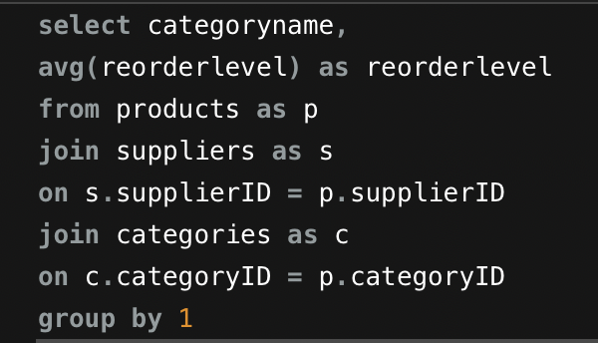
How does supplier performance vary across different product categories or departments? Can we visualize this using stacked bar charts or grouped column charts?

Reorderlevel vs product categories
reorderlevel
16.25
11.25
12.6923
11
22.1429
5
5
12.0833
categoryname | reorderlevel | Reorder level shows the supplier performance
Beverages | 16.25
Condiments | 11.25 | This graph gives the supplier performance across different product categories.
Confections | 12.6923
Dairy Products | 11
Grains/Cereals | 22.1429
Meat/Poultry | 5
Produce | 5
Seafood | 12.0833

Q 15
...
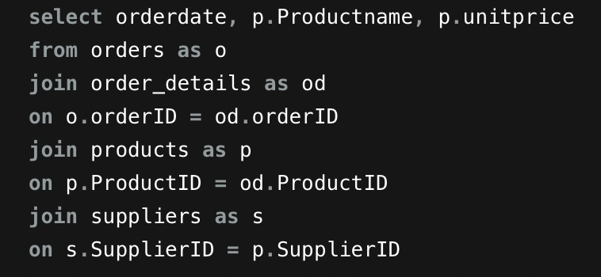
...
 |  |  | 1996 | Grand Total
 |  |  | 18.4 | 18.4
 |  |  | 34 | 34
 |  |  | 19 | 19
 |  |  | 22 | 22
 |  |  | 13.25 | 13.25
 |  |  | 40 | 40
 |  |  | 14 | 14
 |  |  | 15 | 15
 |  |  | 17.45 | 17.45
 |  |  | 32.8 | 32.8
Queso Manchego La Pastora | 38 | 38 | 38 | 38
Sir Rodney's Scones | 10 | 10 | 10 | 10 | From this result we can conclude that supplier unit price of products are not changing over the time. For procurement optimization we need to get the insights Demand Forecasting, Continuous Performance Monitoring, Market Research etc.
Spegesild | 12 | 12 | 12 | 12
Steeleye Stout | 18 | 18 | 18 | 18
Tarte au sucre | 49.3 | 49.3 | 49.3 | 49.3
Teatime Chocolate Biscuits | 9.2 | 9.2 | 9.2 | 9.2
Thüringer Rostbratwurst | 123.79 | 123.79 | 123.79 | 123.79
Tofu | 23.25 | 23.25 | 23.25 | 23.25
Tunnbröd | 9 | 9 | 9 | 9
Grand Total | 29.245833333 | 26.188611111 | 28.858454545 | 27.614577703
Product unit price over time
 | 1994 | 1995 | 1996
Boston Crab Meat | 18.4 | 18.4 | 18.4
Camembert Pierrot | 34 | 34 | 34
Chang | 19 | 19 | 19
Chef Anton's Cajun Seasoning | 22 | 22 | 22
Escargots de Bourgogne | 13.25 | 13.25 | 13.25
Northwoods Cranberry Sauce | 40 | 40 | 40
NuNuCa Nuß-Nougat-Creme | 14 | 14 | 14
Outback Lager | 15 | 15 | 15
Pavlova | 17.45 | 17.45 | 17.45
Perth Pasties | 32.8 | 32.8 | 32.8
Queso Manchego La Pastora | 38 | 38 | 38
Sir Rodney's Scones | 10 | 10 | 10
Spegesild | 12 | 12 | 12
Steeleye Stout | 18 | 18 | 18
Tarte au sucre | 49.3 | 49.3 | 49.3
Teatime Chocolate Biscuits | 9.2 | 9.2 | 9.2
Thüringer Rostbratwurst | 123.79 | 123.79 | 123.79
Tofu | 23.25 | 23.25 | 23.25
Tunnbröd | 9 | 9 | 9
...

